Cleaned
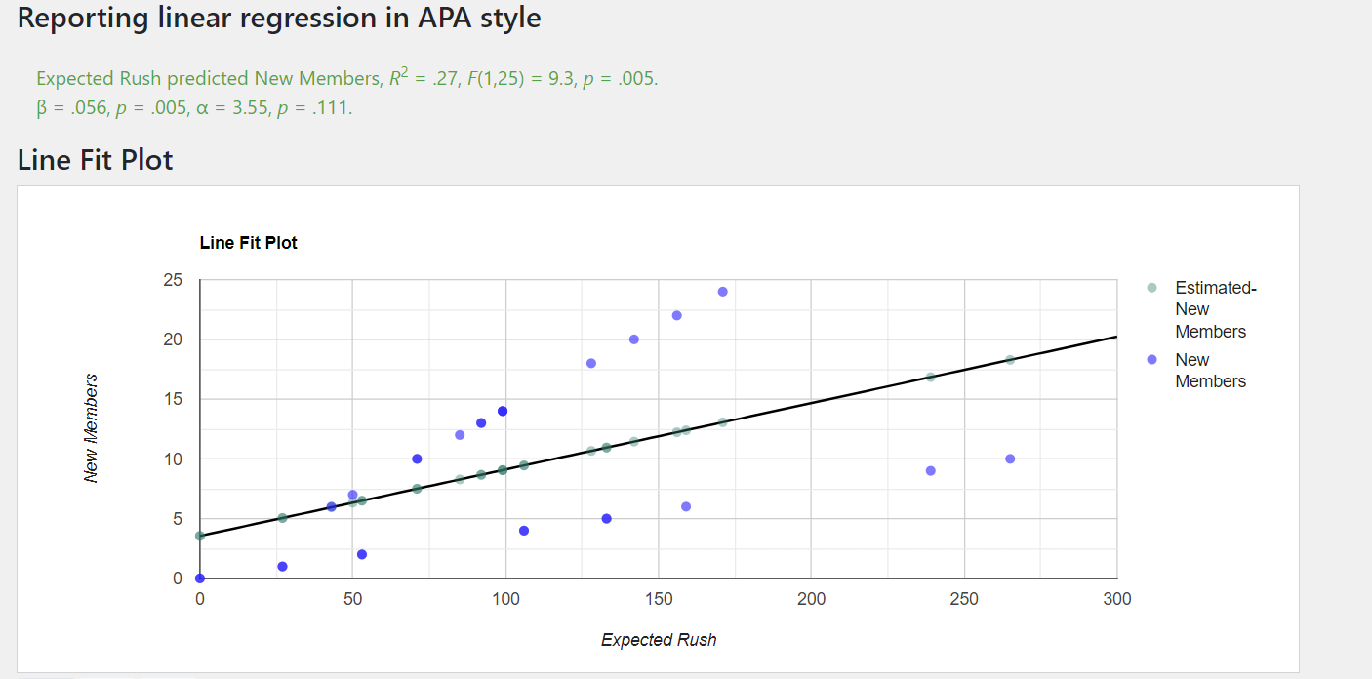
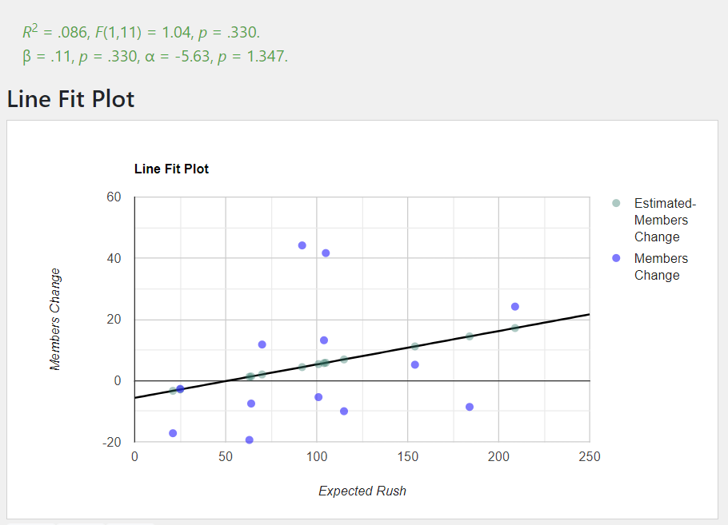
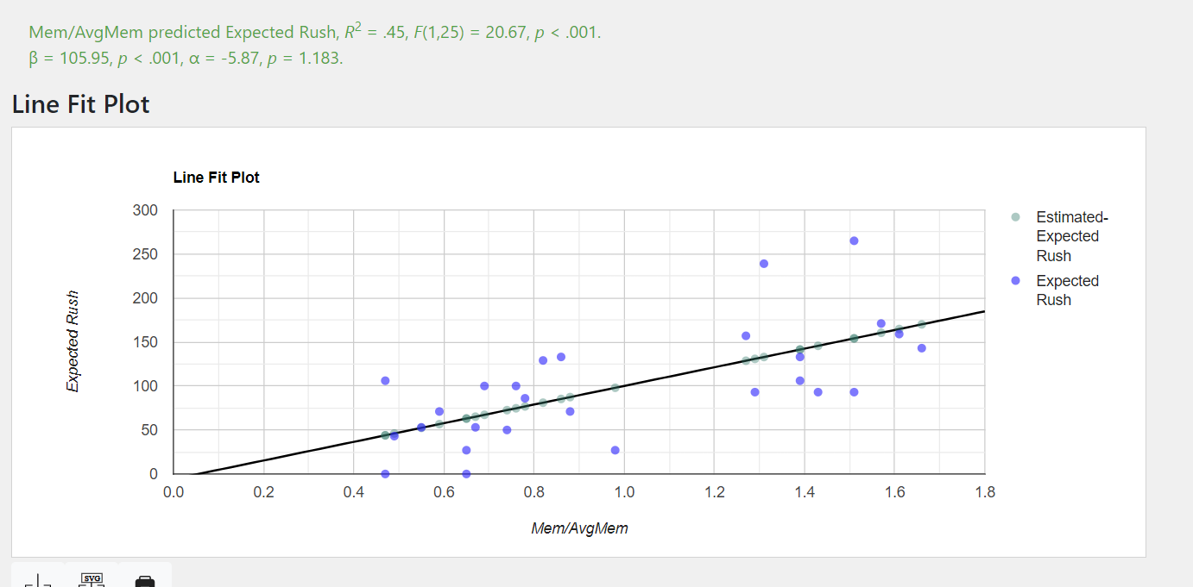
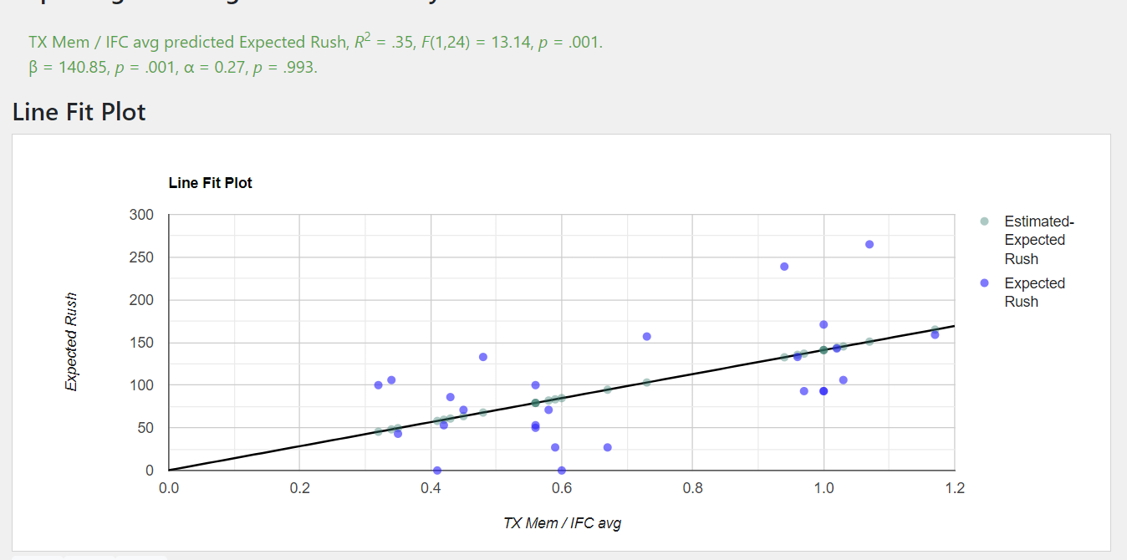
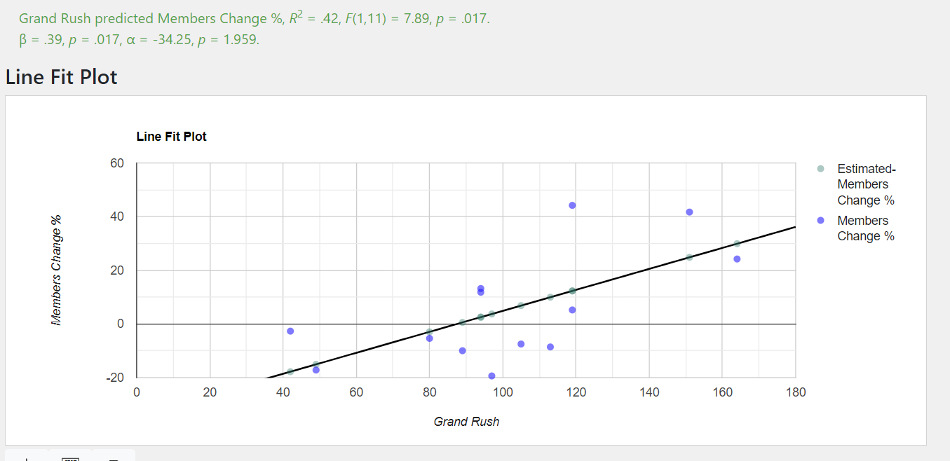
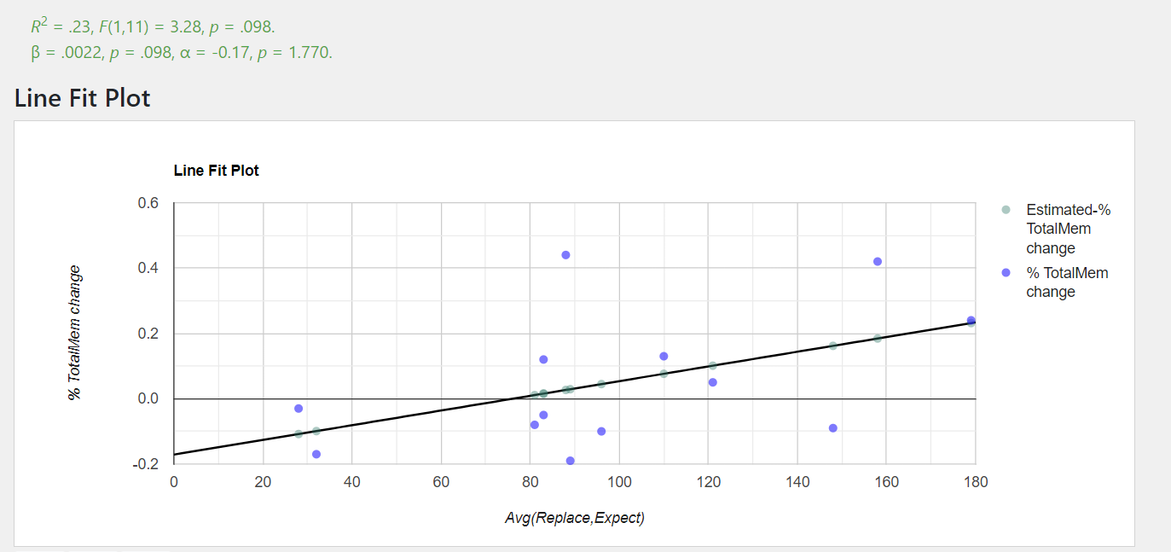
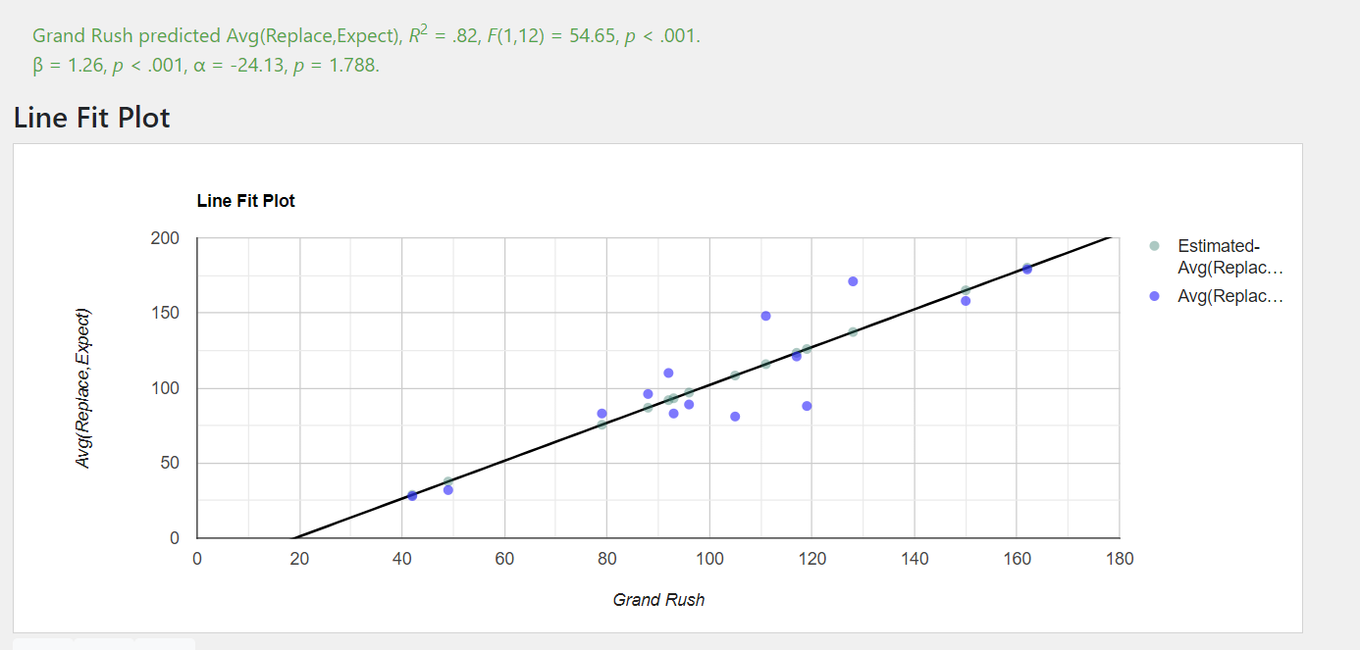
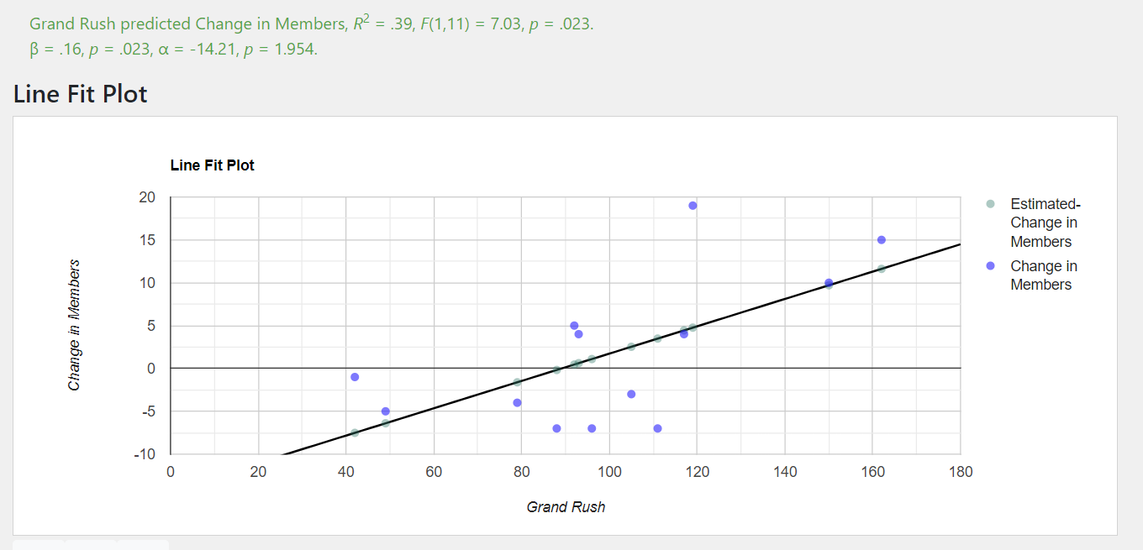
When? | *LISTED ON UNL GPA REPORT. SOMEWHAT UNRELIABLE* | How many actives do we have? (total - new) | Also on UNL report | 1 = Historical TX total member avg. 1+ is times above avg, 0-1 is below avg |  | Understand that spring will have more graduating guys, so lower number | What % change from last year is total members | By how many % did number of actives change? | When?
Date | Total Members | Active Members | New Members | Members / Average Members |  | Total Members Change from 1 semester ago | Total Members Change from 1 year ago | Actives Change from 1 year ago | Date
Fall 10 | 40 | 22 | 18 | 0.81 |  |  |  | (not last semester cuz spring and fall rush different) | Fall 10 | Avg IFC Members | TX members / IFC avgMembers | Date | IFC avg GPA | % change from 1 year ago | TX External GPA | % change from 1 year ago | TX / IFC avg GPA | %cf1ya
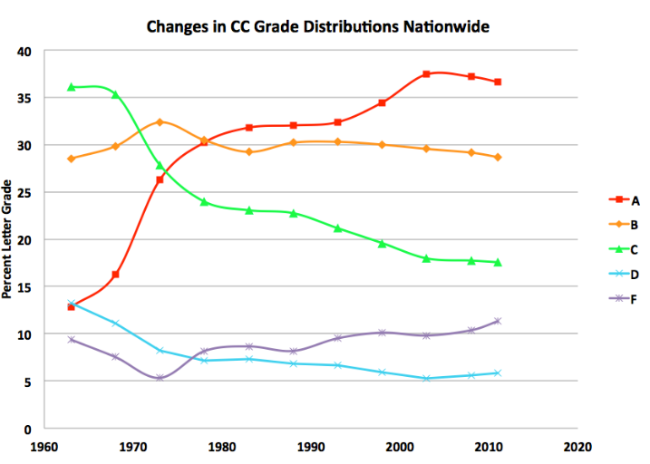
Spring 11 | 32 | 31 | 1 | 0.65 |  | -20.0% |  |  | Fall 10 | 60 | 0.67 | Fall 10 | 3.12 |  | 2.890 |  | 0.93
Fall 11 | 37 | 23 | 14 | 0.75 |  | 15.6% | -7.5% | 4.5% | Spring 11 | 57 | 0.56 | Spring 11 | 3.06 |  | 2.803 |  | 0.92
Spring 12 | 32 | 32 | 0 | 0.65 |  | -13.5% | 0.0% | 3.2% | Fall 11 | 62 | 0.60 | Fall 11 | 3.08 | -1.15 | 2.660 | -0.08 | 0.86 | -6.9%
Fall 12 | 36 | 29 | 7 | 0.73 |  | 12.5% | -2.7% | 26.1% | Spring 12 | 57 | 0.56 | Spring 12 | 3.12 | 1.96 | 2.942 | 0.05 | 0.94 | 2.9%
Spring 13 | 27 | 25 | 2 | 0.55 |  | -25.0% | -15.6% | -21.9% | Fall 12 | 64 | 0.56 | Fall 12 | 3.07 | -0.23 | 2.777 | 0.04 | 0.90 | 4.6%
Fall 13 | 29 | 19 | 10 | 0.59 |  | 7.4% | -19.4% | -34.5% | Spring 13 | 64 | 0.42 | Spring 13 | 3.16 | 1.25 | 2.775 | -0.06 | 0.88 | -6.8%
Spring 14 | 23 | 23 | 0 | 0.47 |  | -20.7% | -14.8% | -8.0% | Fall 13 | 70 | 0.41 | Fall 13 | 3.12 | 1.37 | 2.741 | -0.01 | 0.88 | -2.6%
Fall 14 | 24 | 18 | 6 | 0.49 |  | 4.3% | -17.2% | -5.3% | Spring 14 | 65 | 0.35 | Spring 14 | 3.12 | -1.14 | 3.142 | 0.13 | 1.01 | 14.5%
Spring 15 | 23 | 19 | 4 | 0.47 |  | -4.2% | 0.0% | -17.4% | Fall 14 | 70 | 0.34 | Fall 14 | 3.13 | 0.29 | 2.850 | 0.04 | 0.91 | 3.7%
Fall 15 | 34 | 20 | 14 | 0.69 |  | 47.8% | 41.7% | 11.1% | Spring 15 | 72 | 0.32 | Spring 15 | 3.11 | -0.26 | 3.006 | -0.04 | 0.97 | -4.1%
Spring 16 | 33 | 31 | 2 | 0.67 |  | -2.9% | 43.5% | 63.2% | Fall 15 | 81 | 0.42 | Fall 15 | 3.13 | 0.26 | 2.506 | -0.12 | 0.80 | -12.3%
Fall 16 | 38 | 26 | 12 | 0.77 |  | 15.2% | 11.8% | 30.0% | Spring 16 | 77 | 0.43 | Spring 16 | 3.13 | 0.58 | 2.874 | -0.04 | 0.92 | -4.9%
Spring 17 | 42 | 37 | 5 | 0.85 |  | 10.5% | 27.3% | 19.4% | Fall 16 | 80 | 0.48 | Fall 16 | 3.13 | -0.03 | 2.668 | 0.06 | 0.85 | 6.5%
Fall 17 | 43 | 33 | 10 | 0.88 |  | 2.4% | 13.2% | 26.9% | Spring 17 | 72 | 0.58 | Spring 17 | 3.10 | -1.09 | 2.977 | 0.04 | 0.96 | 4.7%
Spring 18 | 48 | 47 | 1 | 0.98 |  | 11.6% | 14.3% | 27.0% | Fall 17 | 73 | 0.59 | Fall 17 | 3.14 | 0.29 | 3.081 | 0.15 | 0.98 | 15.1%
Fall 18 | 62 | 40 | 22 | 1.26 |  | 29.2% | 44.2% | 21.2% | Spring 18 | 66 | 0.73 | Spring 18 | 3.17 | 2.36 | 2.937 | -0.01 | 0.93 | -3.6%
Spring 19 | 64 | 55 | 9 | 1.30 |  | 3.2% | 33.3% | 17.0% | Fall 18 | 66 | 0.94 | Fall 18 | 3.15 | 0.25 | 2.733 | -0.11 | 0.87 | -11.5%
Fall 19 | 77 | 53 | 24 | 1.57 |  | 20.3% | 24.2% | 32.5% | Spring 19 | 64 | 1.00 | Spring 19 | 3.01 | -5.01 | 2.919 | -0.01 | 0.97 | 4.6%
Spring 20 | 79 | 73 | 6 | 1.61 |  | 2.6% | 23.4% | 32.7% | Fall 19 | 66 | 1.17 | Fall 19 | 3.13 | -0.51 | 2.819 | 0.03 | 0.90 | 3.7%
Fall 20 | 81 | 61 | 20 | 1.65 |  | 2.5% | 5.2% | 15.1% | Spring 20 | 77 | 1.02 | Spring 20 | 3.44 | 14.18 | 3.250 | 0.11 | 0.95 | -2.5%
Spring 21 | 74 | 64 | 10 | 1.51 |  | -8.6% | -6.3% | -12.3% | Fall 20 | 76 | 1.07 | Fall 20 | 3.21 | 2.55 | 3.006 | 0.07 | 0.94 | 4.0%
Fall 21 | 74 | 61 | 13 | 1.51 |  | 0.0% | -8.6% | 0.0% | Spring 21 | 74 | 1.00 | Spring 21 | 3.31 | -3.84 | 3.267 | 0.01 | 0.99 | 4.5%
Spring 22 | 68 | 64 | 4 | 1.38 |  | -8.1% | -8.1% | 0.0% | Fall 21 | 72 | 1.03 | Fall 21 | 3.22 | 0.25 | 3.167 | 0.05 | 0.98 | 5.1%
Fall 22 | 70 | 57 | 13 | 1.42 |  | 2.9% | -5.4% | -6.6% | Spring 22 | 70 | 0.97 | Spring 22 | 3.29 | -0.51 | 3.331 | 0.02 | 1.01 | 2.5%
Spring 23 | 68 | 63 | 5 | 1.38 |  | -2.9% | 0.0% | -1.6% | Fall 22 | 73 | 0.96 | Fall 22 | 3.27 | 1.37 | 3.091 | -0.02 | 0.95 | -3.7%
Fall 23 | 60 | 47 | 13 | 1.22 |  | -11.8% | -14.3% | -17.5% | Spring 23 | 68 | 1.00 | Spring 23 | 3.34 | 1.43 | 3.121 | -0.06 | 0.94 | -7.6%
Spring 24 | 58 | 53 | 5.0 | 1.18 |  | -3.3% | -14.7% | -15.9% | Fall 23 | 74 | 0.81 | Fall 23 | 3.26 | -0.25 | 2.997 | -0.03 | 0.9201719374 | -2.8%
 |  |  |  |  |  |  |  |  | Spring 24 |  |  | Spring 24
Total Avg | 49 | 40 | 9.1 | 0.99 |  | 2.7% | 6.5% | 7.3% | Total Avg
UNL Greek-life Male GPA %change from 1 Year Ago (Grade Inflation)
Fall Avg | 50 | 36 | 14.0 | 1.02 |  | 11.4% | 5.0% | 8.0% | Fall Avg | 69 | 0.70 | Avg | 3.167 |  | 2.938 |  | 0.93
Spring Avg | 48 | 44 | 3.9 | 0.98 |  | -5.8% | 6.3% | 6.6% | Spring Avg | 70 | 0.72 | Fall avg | 3.154 |  | 2.856 |  | 0.91
 | We avg 51 in spring and 48 in fall | We usually have around 40 active | We average 18.2 guys/yr | How many times bigger are we compared to average members? |  | We usually lose 6% of guys in the spring and we usually grow 12% in fall from spring | On average we grow 6.6% a year |  |  | 68 | 0.69 | Spring avg | 3.181 |  | 3.026 |  | 0.95
 |  | Makes sense more in spring | (9.1*2) not 14.1+3.8 | Makes sense that we're bigger in the fall (1.03) than spring (0.96) |  |  | but we know that all things must go down sometimes |  |  |  | Historically we've been 70% avg size |  |  |  | We avg 2.85 in fall |  | We're usually have 7% worse GPA than avg
 |  |  |  |  |  |  |  |  |  |  | Now we are average size |  |  |  | We avg 3.03 in spring |  | :(

 |  |  | 0.25
How many times better did we do in rush compared to AVERAGE? Twice as good (2)? Half as good (0.5)? | Simply last column x100. Just easier to read. Avg is 100 | Are we rushing enough guys to replace current actives? Below 100 no, Above 100 yes. Can swing a lot | Average of Expected Rush and Replacement Rush Adjusted. SCORED RUSH | Columns on left show raw data but this is adj so spring rush score is based on (spring/fall) ratio. Nerfs spring
New Mem / Avg New Mem (Adjusted for Spring/Fall. Use Fall Avg for fall and Spring Avg for spring) | Expected Rush (Average Rush) | Replacement Rush Index (Needed Rush) | GRAND RUSH INDEX |  | Expected Adjusted (Scored) | Replacement Adjusted (Scored) | Date | Expected Rush (100= avg rush. 200 is twice as good. 50 half as good) | GRAND RUSH INDEX (avg exp rush + replace rush both adj. for spring) |  | Replacement Rush (100= stable. +100 is growth in actives. Sub 100 is loss) | Grand Rush |  |  |  |  |  | Members
1.29 | 129 | 212 | 127.9 | 45.0 | 96.43 | 159.36 | 2010 | 129 | 128 |  | 212 | 128 | 171 |  |  |  | 2.890 | 40
0.26 | 26 | 37 | 7.8 | 3.1 | 6.48 | 9.21 |  |  | *Rush is on the whole house, way more than these two* |  |  |  |  |  |  |  | 2.803
1.00 | 100 | 158 | 96.8 | 37.8 | 75.00 | 118.56 | 2011 | 63 | 105 |  | 97 | 105 | 80 |  | -0.08 |  | 2.660 | 37
0.00 | 0 | 0 | 0.0 | 0.0 | 0.00 | 0.00 |  |  |  |  |  |  |  |  |  |  | 2.942
0.50 | 50 | 63 | 42.3 | 19.4 | 37.50 | 47.01 | 2012 | 25 | 42 |  | 31 | 42 | 28 |  | -0.03 |  | 2.777 | 36
0.52 | 52 | 91 | 17.9 | 7.4 | 12.96 | 22.85 |  |  |  | . |  |  |  |  |  |  | 2.775
0.71 | 71 | 137 | 78.0 | 34.5 | 53.57 | 102.51 | 2013 | 62 | 96 |  | 114 | 96 | 88 |  | -0.19 |  | 2.741 | 29
0.00 | 0 | 0 | 0.0 | 0.0 | 0.00 | 0.00 |  |  |  |  |  |  |  |  |  |  | 3.142
0.43 | 43 | 87 | 48.5 | 25.0 | 32.14 | 64.92 | 2014 | 21 | 49 |  | 43 | 49 | 32 |  | -0.17 |  | 2.850 | 24
1.04 | 104 | 241 | 43.0 | 17.4 | 25.93 | 60.14 |  |  | Tyler Brattain | ? |  |  |  |  |  |  | 3.006
1.00 | 100 | 182 | 105.7 | 41.2 | 75.00 | 136.34 | 2015 | 102 | 149 |  | 211 | 149 | 157 |  | 0.42 |  | 2.506 | 34
0.52 | 52 | 74 | 15.7 | 6.1 | 12.96 | 18.43 |  |  | Tyler Brattain | ? |  |  |  |  |  |  | 2.874
0.86 | 86 | 120 | 77.1 | 31.6 | 64.29 | 89.89 | 2016 | 69 | 93 |  | 97 | 93 | 83 |  | 0.12 |  | 2.668 | 38
1.30 | 130 | 154 | 35.5 | 11.9 | 32.41 | 38.60 |  |  | Nick Mason | ? |  |  |  |  |  |  | 2.977
0.71 | 71 | 79 | 56.3 | 23.3 | 53.57 | 59.02 | 2017 | 101 | 92 |  | 117 | 92 | 109 |  | 0.13 |  | 3.081 | 43
0.26 | 26 | 24 | 6.3 | 2.1 | 6.48 | 6.08 |  |  | Brennan | Evan Cox |  |  |  |  |  |  | 2.937
1.57 | 157 | 143 | 112.5 | 35.5 | 117.86 | 107.12 | 2018 | 92 | 119 |  | 84 | 119 | 88 |  | 0.44 |  | 2.733 | 62
2.33 | 233 | 187 | 52.5 | 14.1 | 58.33 | 46.74 |  |  | Eli Soell | Austin Bennet |  |  |  |  |  |  | 2.919
1.71 | 171 | 118 | 108.4 | 31.2 | 128.57 | 88.20 | 2019 | 202 | 161 |  | 152 | 161 | 177 |  | 0.24 |  | 2.819 | 77
1.56 | 156 | 94 | 31.2 | 7.6 | 38.89 | 23.48 |  |  | Tyler Lechner | Eli Soell |  |  |  |  |  |  | 3.250
1.43 | 143 | 85 | 85.5 | 24.7 | 107.14 | 63.86 | 2020 | 149 | 117 |  | 90 | 117 | 119 |  | 0.05 |  | 3.006 | 81
UNL Greek-life Male GPA Average
2.59 | 259 | 179 | 54.7 | 13.5 | 64.81 | 44.63 |  |  | Max Dikker | Connor Wieseman |  |  |  |  |  |  | 3.267
0.93 | 93 | 55 | 55.6 | 17.6 | 69.64 | 41.51 | 2021 | 176 | 110 |  | 117 | 110 | 146 |  | -0.09 |  | 3.167 | 74
1.04 | 104 | 71 | 21.9 | 5.9 | 25.93 | 17.85 |  |  | Elijah Doyle | Michael Leiting |  |  |  |  |  |  | 3.331
0.93 | 93 | 59 | 57.0 | 18.6 | 69.64 | 44.42 | 2022 | 98 | 79 |  | 65 | 79 | 82 |  | -0.05 |  | 3.091 | 70
1.30 | 130 | 91 | 27.5 | 7.4 | 32.41 | 22.67 |  |  | Ben Morse | Owen Micek |  |  |  |  |  |  | 3.121
0.93 | 93 | 72 | 61.8 | 21.7 | 69.64 | 53.87 | 2023 | 111 | 89 |  | 81 | 89 | 96 |  | -0.14 |  | 2.997 | 63
1.30 | 130 | 108 | 89.0 | 8.620689655 | 97.22 | 80.84 |  |  | Sebastian and Miles
 |  |  |  | #DIV/0! |  |  |  | 130 | 89 |  | 108 | 102 | 104
1.00 | 100 | 104 | 54.2 |  | 52.31 | 56.00 |  |  |  |  |  | 33.10 | 46.08
1.00 | 100 | 112 | 79.5 |  | 75.00 | 84.04
Fraternity Rush Metrics 2010-223
 |  |  | Grand Rush (Avg of ER and RR seasonally adjusted)
1.00 | 100 | 96 | 28.8 |  | 29.63 | 27.97
These numbers above should all be 1, meaning it is standardized. Above 1 means above avg. Below 1 below avg | These should alwaus be 100, meaning it is standardized | This is standardized round that 100 means equal ACTIVE replacement. On average actives grow | Sounds confusing but this is just trying to fix spring being overweighted
How many times better did we rush? | We have been rushing about average in last 3 years | However since Fall 2021 we have not been rushing enough to replace all the actives | It multiplies the previous columns by their proportions, which standardizes this
When Eli was president, we rushed 1.42x better than (fall)avg in fall & 2.65x better than (spring)avg in spring | However since we're still above average in our history, | You can think of it as what percent of graduating/leaving actives have we covered with rush | These added up become the weighted average shown in table on right
 | This is not enough. Avg rush is for avg house. We not avg...yet | If we rush just enough guys to keep our amount of actives the same in the long-term then we have 100

 |  | new/active / avg new / average active
 |  | new/avg new / actives/ average active
 |  | new * avg active / active * avg new

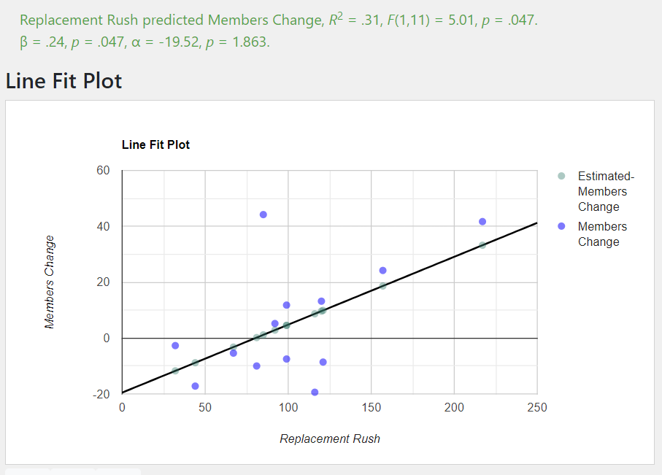

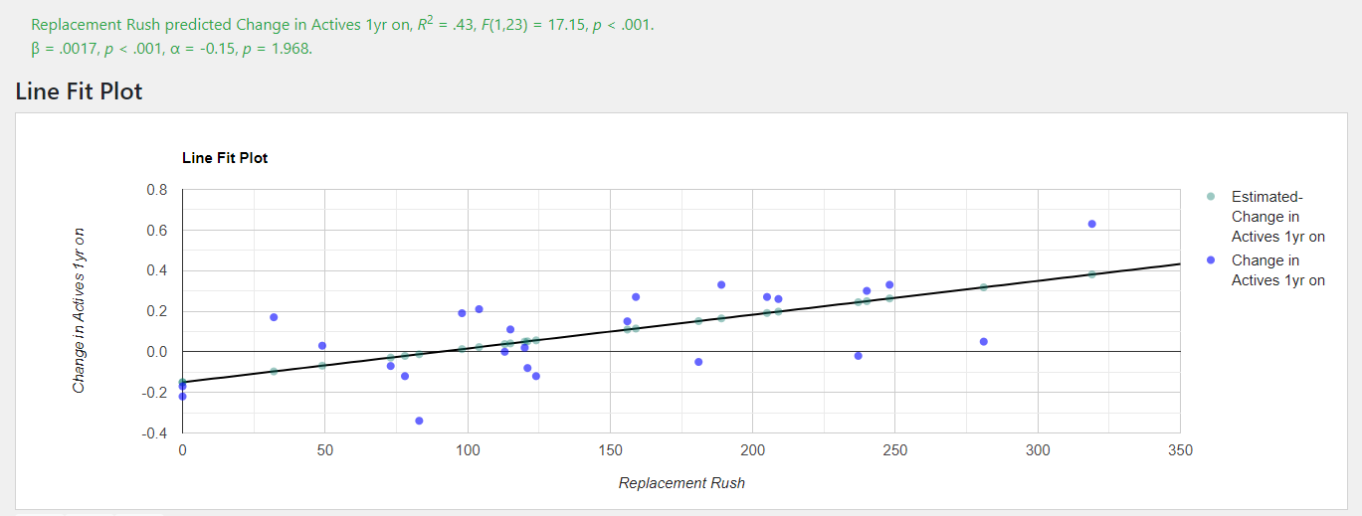

Fraternity Recruitment 2010-2023

Disgusting
 |  |  |  |  |  |  |  |  |  |  |  |  |  |  |  |  |  |  |  |  |  | # |  |  |  |  |  |  |  |  |  |  |  |  |  |  | Lost |  |  |  |  |  |  |  |  |  |  |  | Total (If No One Dropped)
 |  |  |  |  |  |  |  |  |  |  |  |  |  |  |  |  |  |  |  |  | Old | 1 |  |  |  |  |  |  |  |  |  |  |  |  |  |  | 1 |  |  |  |  |  |  |  |  |  |  |  | Old | 2 | pct lost
 | 1591 |  |  |  |  |  |  |  |  |  |  |  |  |  |  | Nate Hollenbeck |  |  |  |  | Fall 20 | 10 |  |  |  |  |  |  |  |  |  |  |  |  |  |  | 10 |  |  |  |  |  |  |  |  |  |  |  | Fall 20 | 20 | 50.00% |  | 5.00 | guys avg/year | spring 23 recruit | avg of last two springs (22/23)
 | 1592 |  |  |  |  |  |  |  |  |  |  |  |  |  |  | Antonio Soto |  |  |  |  | Spring 21 | 6 |  |  |  |  |  |  |  |  |  |  |  |  |  |  | 4 |  |  |  |  |  |  |  |  |  |  |  | Spring 21 | 10 | 40.00% |  | 13.00 | guys avg/year | fall 24 recruit | avg of last two fall class intiated (21/22)+ current pledge class (23)
 | 1594 |  |  |  |  |  |  |  |  |  |  |  |  |  |  | Thomas Hope |  |  |  |  | Fall 21 | 9 |  |  |  |  |  |  |  |  |  |  |  |  |  |  | 4 |  |  |  |  |  |  |  |  |  |  |  | Fall 21 | 13 | 30.77% |  | 2.1667 | guys avg/year | drop/undergrad | avg guys lost per class /years in house (fall 21 - present. juniors - freshman)
 | 1595 |  |  |  |  |  |  |  |  |  |  |  |  |  |  | Ethan Halliday |  |  |  |  | Spring 22 | 4 |  |  |  |  |  |  |  |  |  |  |  |  |  |  | 1 |  |  |  |  |  |  |  |  |  |  |  | Spring 22 | 5 | 20.00% |  | 15 | this year | estimated graduating
 | 1596 |  |  |  |  |  |  |  |  |  |  |  |  |  |  | Michael Leiting |  |  |  |  | Fall 22 | 11 |  |  |  |  |  |  |  |  |  |  |  |  |  |  | 2 |  |  |  |  |  |  |  |  |  |  |  | Fall 22 | 13 | 15.38% |  | -4.17
 | 1597 |  |  |  |  |  |  |  |  |  |  |  |  |  |  | Hunter Kinnaman |  |  |  |  | Spring 23 | 3 |  |  |  |  |  |  |  |  |  |  |  |  |  |  | 2 |  |  |  |  |  |  |  |  |  |  |  | Spring 23 | 5 | 40.00% |  | 52.83 | New total 2024 fall | prediction
 | 1598 |  |  |  |  |  |  |  |  |  |  |  |  |  |  | Callahan Weeks |  |  |  |  | Fall 23 | 13 |  |  |  |  |  |  |  |  |  |  |  |  |  |  | 7 |  |  |  |  |  |  |  |  |  |  |  | Fall 23 | 20 | 35.00% |  | -7.31% | change
 | 1599 |  |  |  |  |  |  |  |  |  |  |  |  |  |  | Rishik Kancharla |  |  |  |  | Total | 57 |  |  |  |  |  |  |  |  |  |  |  |  |  |  | 30 |  |  |  |  |  |  |  |  |  |  |  |  | 87 | 34.48% |  |  | Though estimated amount of dudes paying full dues (not senior) is still around 40
Dropped? | 1601 |  |  |  |  |  |  |  |  |  |  |  |  |  |  | Anibal Grajeda |  |  |  |  | Average | 8.0 |  |  |  |  |  |  |  |  |  |  |  |  |  |  | 4.3 |  |  |  |  |  |  |  |  |  |  |  |  | 12.3 | 34.88%
 | 1602 |  |  |  |  |  |  |  |  |  |  |  |  |  |  | Elijah Doyle |  |  |  |  | Standard Dev. | 3.7 |  |  |  |  |  |  |  |  |  |  |  |  |  |  | 3.2 |  |  |  |  |  |  |  |  |  |  |  |  | 6.2 | 51.52%
 | 1605 |  |  |  |  |  |  |  |  |  |  |  |  |  |  | Jan Gomez |  |  |  |  |  |  |  |  |  |  |  |  |  |  |  |  |  |  |  |  |  |  |  |  |  |  |  |  |  |  |  |  |  |  |  |  |  | 25 | 4510 | 112750 | 25 | 4510 | 112750 | 30 | 4510 | 135300
 | 1608 |  |  |  |  |  |  |  |  |  |  |  |  |  |  | Kris Anwar |  |  |  |  |  |  |  |  |  |  |  |  |  |  |  |  |  |  |  |  |  |  |  |  |  |  |  |  |  |  |  |  |  |  |  |  |  | 15 | 1400 | 21000 | 20 | 1400 | 28000 | 30 | 1400 | 42000
 | Lost |  |  |  |  |  |  |  |  |  |  |  |  |  |  |  |  |  |  |  |  |  |  |  |  |  |  |  |  |  |  |  |  |  |  |  |  |  |  |  |  |  |  |  |  |  |  |  |  |  |  |  |  | 15 | 550 | 8250 | 20 | 550 | 11000 | 25 | 550 | 13750
 |  |  |  |  |  |  |  |  |  |  |  |  |  |  |  |  |  |  |  |  |  |  |  |  |  |  |  |  |  |  |  |  |  |  |  |  |  |  |  |  |  |  |  |  |  |  |  |  |  |  |  |  |  |  |  | 142000 |  |  | 151750 |  |  | 191050
 | 1613 |  |  |  |  |  |  |  |  |  |  |  |  |  |  | Andrew Wellman |  |  |  |  | 0.5263157895 |  |  |  |  |  |  |  |  |  |  |  |  |  |  |  |  |  |  |  |  |  |  |  |  |  |  |  |  |  |  |  | -0.06425041186
 | 1615 |  |  |  |  |  |  |  |  |  |  |  |  |  |  | Harry Wells
 | 1616 |  |  |  |  |  |  |  |  |  |  |  |  |  |  | Grant Crockett
 | 1617 |  |  |  |  |  |  |  |  |  |  |  |  |  |  | Evan Siepold
 | 1618 |  |  |  |  |  |  |  |  |  |  |  |  |  |  | AJ Fields
 | 1620 |  |  |  |  |  |  |  |  |  |  |  |  |  |  | Trenton Sedlacek
 | Lost

 | 1621 |  |  |  |  |  |  |  |  |  |  |  |  |  |  | Nolan Johnson
 | 1622 |  |  |  |  |  |  |  |  |  |  |  |  |  |  | Ben Morse
 | 1623 |  |  |  |  |  |  |  |  |  |  |  |  |  |  | Logan McDonald
 | 1624 |  |  |  |  |  |  |  |  |  |  |  |  |  |  | Scott Lundin
 | 1625 |  |  |  |  |  |  |  |  |  |  |  |  |  |  | Owen Micek
 | 1627 |  |  |  |  |  |  |  |  |  |  |  |  |  |  | Connor Radde |  |  |  |  |  |  |  |  |  |  |  |  |  |  |  |  |  |  |  |  |  |  |  |  |  |  |  |  |  |  |  |  |  |  |  |  |  |  | If none left
 | 1628 |  |  |  |  |  |  |  |  |  |  |  |  |  |  | James Moeller
 | 1630 |  |  |  |  |  |  |  |  |  |  |  |  |  |  | Nico Bianchette
 | 1631 |  |  |  |  |  |  |  |  |  |  |  |  |  |  | Sean Pate
 | Lost

 | 1634 |  |  |  |  |  |  |  |  |  |  |  |  |  |  | Braeden Haptonstall
 | 1635 |  |  |  |  |  |  |  |  |  |  |  |  |  |  | Braeden Aherns
 | 1636 |  |  |  |  |  |  |  |  |  |  |  |  |  |  | Nikolas Ostrowski
 | 1637 |  |  |  |  |  |  |  |  |  |  |  |  |  |  | Sebastian Palka
 | Lost
 |  |  |  |  |  |  |  |  |  |  |  |  |  |  |  |  |  |  |  |  |  |  |  |  |  |  |  |  |  |  |  |  |  |  |  |  |  |  |  |  |  |  |  |  |  |  |  |  |  |  |  |  |  |  | Current
 | 1639 |  |  |  |  |  |  |  |  |  |  |  |  |  |  | Danny Smyth |  |  |  |  |  |  |  |  |  |  |  |  |  |  |  |  |  |  |  |  |  |  |  |  |  |  |  |  |  |  |  |  |  |  |  |  |  |  |  |  |  |  |  |  |  |  |  | 0.12
 | 1640 |  |  |  |  |  |  |  |  |  |  |  |  |  |  | Garrett Smith |  |  |  |  |  |  |  |  |  |  |  |  |  |  |  |  |  |  |  |  |  |  |  |  |  |  |  |  |  |  |  |  |  |  |  |  |  |  |  |  |  |  |  |  |  |  |  | 0.12
 | 1641 |  |  |  |  |  |  |  |  |  |  |  |  |  |  | Hayden Smith |  |  |  |  |  |  |  |  |  |  |  |  |  |  |  |  |  |  |  |  | Old |  |  |  |  |  |  |  |  |  |  |  | 2 |  |  |  |  |  |  |  |  |  |  |  |  |  |  | 0.67
 | 1642 |  |  |  |  |  |  |  |  |  |  |  |  |  |  | Riley Pankow |  |  |  |  |  |  |  |  |  |  |  |  |  |  |  |  |  |  |  |  | Fall 20 |  |  |  |  |  |  |  |  |  |  |  | 11 |  |  |  |  |  |  |  |  |  |  |  |  |  |  | 0.67
 | 1643 |  |  |  |  |  |  |  |  |  |  |  |  |  |  | Colby Hehnke |  |  |  |  |  |  |  |  |  |  |  |  |  |  |  |  |  |  |  |  | Fall 20 (Lost) |  |  |  |  |  |  |  |  |  |  |  | 9 |  |  |  |  |  |  |  |  |  |  |  |  |  |  | 0.31
 | 1644 |  |  |  |  |  |  |  |  |  |  |  |  |  |  | Brady Perna |  |  |  |  |  |  |  |  |  |  |  |  |  |  |  |  |  |  |  |  | Spring 21 |  |  |  |  |  |  |  |  |  |  |  | 6 |  |  |  |  |  |  |  |  |  |  |  |  |  |  | 0.95
 | 1645 |  |  |  |  |  |  |  |  |  |  |  |  |  |  | Mac Clarke |  |  |  |  |  |  |  |  |  |  |  |  |  |  |  |  |  |  |  |  | Spring 21 (L) |  |  |  |  |  |  |  |  |  |  |  | 4 |  |  |  |  |  |  |  |  |  |  |  |  |  |  | 0.97
 | 1646 |  |  |  |  |  |  |  |  |  |  |  |  |  |  | Cutter Riveland |  |  |  |  |  |  |  |  |  |  |  |  |  |  |  |  |  |  |  |  | Fall 21 |  |  |  |  |  |  |  |  |  |  |  | 9 |  |  |  |  |  |  |  |  |  |  |  |  |  |  | 0.01
 | 1647 |  |  |  |  |  |  |  |  |  |  |  |  |  |  | William Miller |  |  |  |  |  |  |  |  |  |  |  |  |  |  |  |  |  |  |  |  | Fall 21(L) |  |  |  |  |  |  |  |  |  |  |  | 4 |  |  |  |  |  |  |  |  |  |  |  |  |  |  | 0.20
 | 1648 |  |  |  |  |  |  |  |  |  |  |  |  |  |  | Sam Mueggenberg |  |  |  |  |  |  |  |  |  |  |  |  |  |  |  |  |  |  |  |  | Spring 22 |  |  |  |  |  |  |  |  |  |  |  | 4 |  |  |  |  |  |  |  |  |  |  |  |  |  |  | 0.26
 | 1650 |  |  |  |  |  |  |  |  |  |  |  |  |  |  | Miles Budzinski |  |  |  |  |  |  |  |  |  |  |  |  |  |  |  |  |  |  |  |  | Spring 22 (L) |  |  |  |  |  |  |  |  |  |  |  | 1 |  |  |  |  |  |  |  |  |  |  |  |  |  |  | 0.19
 | Lost |  |  |  |  |  |  |  |  |  |  |  |  |  |  |  |  |  |  |  |  |  |  |  |  |  |  |  |  |  |  |  |  |  |  |  | Fall 22 |  |  |  |  |  |  |  |  |  |  |  | 11 |  |  |  |  |  |  |  |  |  |  |  |  |  |  | 0.87
 |  |  |  |  |  |  |  |  |  |  |  |  |  |  |  |  |  |  |  |  |  |  |  |  |  |  |  |  |  |  |  |  |  |  |  |  | Fall 22(L) |  |  |  |  |  |  |  |  |  |  |  | 2 |  |  |  |  |  |  |  |  |  |  |  |  |  |  | 0.81
 | 1652 |  |  |  |  |  |  |  |  |  |  |  |  |  |  | Joe |  |  |  |  |  |  |  |  |  |  |  |  |  |  |  |  |  |  |  |  | Spring 23 |  |  |  |  |  |  |  |  |  |  |  | 4 |  |  |  |  |  |  |  |  |  |  |  |  |  |  | 0.78
 | 1653 |  |  |  |  |  |  |  |  |  |  |  |  |  |  | Carlos |  |  |  |  |  |  |  |  |  |  |  |  |  |  |  |  |  |  |  |  | Spring 23(L) |  |  |  |  |  |  |  |  |  |  |  | 0 |  |  |  |  |  |  |  |  |  |  |  |  |  |  | 0.25
 | 1654 |  |  |  |  |  |  |  |  |  |  |  |  |  |  | Nick |  |  |  |  |  |  |  |  |  |  |  |  |  |  |  |  |  |  |  |  | Fall 23 |  |  |  |  |  |  |  |  |  |  |  | 13 |  |  |  |  |  |  |  |  |  |  |  |  |  |  | 0.02
 | 1655 |  |  |  |  |  |  |  |  |  |  |  |  |  |  | JD |  |  |  |  |  |  |  |  |  |  |  |  |  |  |  |  |  |  |  |  | Fall 23(L) |  |  |  |  |  |  |  |  |  |  |  | 7 |  |  |  |  |  |  |  |  |  |  |  |  |  |  | 0.24
 |  |  |  |  |  |  |  |  |  |  |  |  |  |  |  |  |  |  |  |  |  |  |  |  |  | Total change |  |  |  |  |  |  |  |  |  |  |  |  |  |  |  |  |  |  |  |  |  |  |  |  |  |  |  |  |  |  |  |  |  |  |  |  |  | 0.73
 | 1656 |  |  |  |  |  |  |  |  |  |  |  |  |  |  |  |  |  |  |  |  |  |  |  |  | 2.23 | Semester |  |  |  |  |  |  |  |  |  |  |  |  |  |  |  |  |  |  |  |  |  |  |  |  |  |  |  |  |  |  |  |  |  |  |  |  | 0.80
 | 1657 |  |  |  |  |  |  |  |  |  |  |  |  |  |  |  |  |  |  |  | 0.2678641156 |  |  |  |  | 4.461538462 | Year |  |  |  |  |  |  |  |  |  |  |  |  |  |  |  |  |  |  |  |  |  |  |  |  |  |  |  |  |  |  |  |  |  |  |  |  | 0.08
 |  |  |  |  |  |  |  |  |  |  |  | 0.6339320578 |  |  |  | Fall |  |  | Live in amount |  |  |  |  |  |  |  |  |  |  |  |  |  |  |  |  |  |  |  |  |  |  |  |  |  |  |  |  |  |  |  |  |  |  |  |  |  |  |  |  |  |  |  |  | 0.33
 |  |  |  |  |  |  | #REF! | #REF! | #REF! | #REF! | #REF! | #REF! |  |  | 0.1 |  |  |  | 10.0 | 49.6 | 14.07 | 1.02 | 0.05 | 6.54 |  | 8.00 |  |  |  |  | 1.00 |  |  |  |  |  | 0.00 | 0.14 | #REF! |  | #REF! | #REF! | #REF! | #REF! | #REF! |  | #REF! |  | #REF! | 2.85 | 69.79 | 0.05 | 0.13 | 3.15 | 0.90 | 1.00 |  |  |  |  |  |  |  | 0.19
 |  |  |  |  |  |  |  |  |  |  |  |  |  |  |  | Spring |  |  | Senior | 20.559 | 6.300 |  |  |  |  |  |  |  |  |  |  |  |  |  |  |  |  |  |  |  |  |  |  | BEST INDEX |  |  |  |  |  |  |  |  |  |  |  |  |  |  |  |  |  |  |  | 0.09
 |  |  |  |  |  |  |  |  |  |  |  | (Spring has reduced weight of spring/fall) |  |  |  |  |  |  | 20 | 47.15384615 | 3.769 | 0.994 | -0.119 | 9.538 |  | -5.769 |  |  |  |  | 1.000 |  |  |  |  |  | 0.000 | 0.000 | #REF! |  | #REF! | #REF! | #REF! | #REF! | #REF! |  | #REF! |  | #REF! | 3.026 | 67.880 | -0.031 | -0.060 | 3.181 | 0.951 | -0.449 |  |  |  |  |  |  |  | 0.06
normal/normal | Leave | % leave/grad | %new | % change | Listed member change |  |  |  |  |  | Rush Index | GRAND RUSH INDEX | Normalized % growth |  | 0.12 | Year | #REF! |  |  | Members | New | Normalized | Normalized Z | Leave |  | Change | CDR | CBR | PGR | PGR mod | Norm New | Norm Leave | POP |  | NMZ share t-1 |  | Normal New Z | Rush Index 1 | Rush Index 2 |  |  | NMZ share t-1 |  | Rush Index 3 | RI3 Mod |  | Rush Index 4 | BS Rush Index | Members / ifc mem average | GPA | Avg Greek members | Avg Greek m change | TX change mem | Avg Greek M GPA | GPA/avg | Normal member % normal | Normal mem change | Normal new normal | Normal new change normal |  |  |  |  | 0.75
 |  |  |  |  | dif |  |  |  |  |  |  |  |  |  |  | 2010 |  |  |  | 20.712 | 3.219 |  |  |  |  |  |  | New / Non New |  |  |  |  |  |  |  |  |  | New/Mem - 1Norm | New-Mem / share |  |  |  |  | (New norm z)*share |  |  | (New-Mem)*Share |  |  |  |  |  |  |  |  |  |  |  |  |  |  |  |  | 0.05
 |  |  |  |  |  |  |  |  |  |  |  |  |  |  |  |  | Grand Rush Index |  |  | Members |  |  |  | Leave | Join |  |  |  |  |  |  |  |  |  |  |  |  | Internal (rat) | Campus (Dif Mag) |  | TEST ME | T-1 NW | T-1 w/ W | T NW | T w/ W | GRANDEST RUSH INDEZ | Campus (Dif min) |  |  |  |  |  |  |  |  |  |  |  |  |  |  |  |  | 0.22
0.773 |  |  |  |  |  |  | 100 = Stable. > 100 is growth. <100 is loss long term (4yr) | 100 = what we'd expect to pull given our chapter size and long time averages |  |  |  |  |  |  |  |  | 149.8204497 | 18 |  | 40 | 18 | 0.81 | -0.47 | 9.00 | 18 | 9.00 | 0.23 | 0.45 | 0.23 | 1.23 | 1.28 | 1.38 | #ERROR! | 2.02 | 0.00 | 100.00 | 0.62 | 1.09 | -0.27 | 120.79 | 0.21 | 0.00 | 0.00 | 0.42 | 0.42 | 141.57 | -0.12 | 35.57 | 0.67 | 2.89 | 60 |  |  | 3.117 | 0.93 |  |  |  |  |  |  |  |  | 0.79
-1.268 | 9 | 0.28 | 0.03 | -0.25 | -0.05 |  | RUSH (Replacement = 100) | RUSH (Average Exp = 100) | No weight T - 1 | Spring Weight T - 1 | No spring weight T | Spring Weight T | Normalized growth | % change members |  | 2011 | 98.00387614 | 1 |  | 32 | 1 | 0.68 | -0.85 | 9.00 | 1 | -8.00 | 0.28 | 0.03 | -0.25 | 0.75 | 0.27 | 0.94 |  | 0.42 | -0.57 | 84.64 | -0.86 | -0.39 | -2.74 | 66.51 | -0.33 | -0.57 | -0.15 | -0.48 | -0.13 | 87.06 | -0.86 | 28.69 | 0.56 | 2.80 | 57 | -5.00% | -0.20 | 3.059 | 0.92 | -1.50 | 3.34 | -402,990,000,000,000,000.00 | -2.38 |  |  |  |  | 0.60
-0.015 | 9 | 0.24 | 0.38 | 0.14 | -0.02 | 95.9 | 115.61 | 82.93 | 71.0 | 92.0 | 75.5 | 93.2 | -8.11% | 15.63% | 0.16 |  | 133.2152373 | 14 |  | 37 | 14 | 0.75 | -0.61 | 5.00 | 14 | 9.00 | 0.14 | 0.38 | 0.24 | 1.24 | 0.99 | 0.76 |  | 1.57 | -0.01 | 99.36 | -0.01 | 0.84 | -1.27 | 99.34 | -0.01 | -0.01 | -0.01 | -0.01 | -0.01 | 99.32 | -0.45 | 24.71 | 0.60 | 2.66 | 62 | 8.77% | 0.16 | 3.081 | 0.86 | 1.17 | 1.17 | -196,772,057,215,381.00 | -0.99 |  |  |  |  | 0.78
-1.726 | 5 | 0.16 | 0.00 | -0.16 | -0.02 |  |  |  |  |  |  |  |  |  | -0.14 | 2012 | 84.00536201 | 0 |  | 32 | 0 | 0.68 | -0.85 | 3.00 | 0 | -3.00 | 0.09 | 0.00 | -0.09 | 0.91 | 0.00 | 0.31 |  | 0.00 | -0.70 | 81.28 | -1.17 | -0.56 | -3.29 | 57.01 | -0.43 | -0.70 | -0.19 | -0.66 | -0.18 | 82.39 | -1.04 | 20.13 | 0.56 | 2.94 | 57 | -8.06% | -0.14 | 3.119 | 0.94 | -1.01 | 2.25 | -548,514,000,000,000,000.00 | 102.29 |  |  |  |  | 0.96
-1.547 | 3 | 0.08 | 0.19 | 0.11 | -0.01 | 31.7 | 67.45 | 46.97 | 33.5 | 59.1 | 35.6 | 59.6 | -2.78% | -0.51% | 0.13 |  | 50.89111189 | 7 |  | 36 | 7 | 0.73 | -0.66 | 11.00 | 7 | -4.00 | 0.31 | 0.19 | -0.11 | 0.89 | 0.50 | 1.68 |  | 0.78 | -0.63 | 36.99 | -1.12 | -0.27 | -3.29 | 36.93 | -0.63 | -0.63 | -0.63 | -0.63 | -0.63 | 36.86 | -1.04 | 8.64 | 0.56 | 2.78 | 64 | 12.28% | 0.13 | 3.074 | 0.90 | 0.94 | 0.94 | -19,480,400,000,000,000.00 |  |  |  |  |  | 0.92
-0.960 | 11 | 0.41 | 0.07 | -0.33 | -0.08 |  |  |  |  |  |  |  |  |  | -0.25 | 2013 | 143.7391012 | 2 |  | 27 | 2 | 0.57 | -1.09 | 8.00 | 2 | -6.00 | 0.30 | 0.07 | -0.22 | 0.78 | 0.53 | 0.84 |  | 0.84 | -0.31 | 91.72 | -0.55 | 0.11 | -2.48 | 82.30 | -0.18 | -0.31 | -0.08 | -0.25 | -0.07 | 93.33 | -0.51 | 23.13 | 0.45 | 2.78 | 64 | 0.00% | -0.25 | 3.158 | 0.88 | -1.87 | 4.17 | -257,466,000,000,000,000.00 | -0.51 |  |  |  |  | 0.20
-1.106 | 8 | 0.28 | 0.34 | 0.07 | -0.01 | 102.9 | 133.44 | 77.14 | 69.9 | 81.2 | 74.2 | 83.3 | -24.14% | -8.80% | 0.07 |  | 123.1355464 | 10 |  | 29 | 10 | 0.58 | -1.00 | 6.00 | 10 | 4.00 | 0.21 | 0.34 | 0.14 | 1.14 | 0.71 | 0.92 |  | 1.12 | -0.29 | 70.72 | -0.65 | 0.45 | -2.97 | 71.97 | -0.28 | -0.29 | -0.29 | -0.27 | -0.27 | 73.23 | -0.51 | 18.05 | 0.41 | 2.74 | 70 | 9.38% | 0.07 | 3.116 | 0.88 | 0.55 | 0.55 | -11,216,000,000,000,000.00 | 0.18 |  |  |  |  | 0.16
-2.401 | 6 | 0.26 | 0.00 | -0.26 | -0.05 |  |  |  |  |  |  |  |  |  | -0.21 | 2014 | 146.5603128 | 0 |  | 23 | 0 | 0.49 | -1.29 | 5.00 | 0 | -5.00 | 0.22 | 0.00 | -0.22 | 0.78 | 0.00 | 0.52 |  | 0.00 | -0.49 | 87.00 | -1.17 | -0.17 | -4.69 | 71.49 | -0.29 | -0.49 | -0.13 | -0.41 | -0.11 | 88.90 | -0.59 | 21.95 | 0.35 | 3.14 | 65 | -7.14% | -0.21 | 3.122 | 1.01 | -1.55 | 3.45 | -548,514,000,000,000,000.00 | 0.81 |  |  |  |  | 0.51
-2.649 | 5 | 0.21 | 0.25 | 0.04 | 0.00 | 82.8 | 130.51 | 63.43 | 53.1 | 70.8 | 57.3 | 72.5 | -20.83% | -8.17% | 0.04 |  | 114.4693708 | 6 |  | 24 | 6 | 0.48 | -1.25 | 5.00 | 6 | 1.00 | 0.21 | 0.25 | 0.04 | 1.04 | 0.43 | 0.76 |  | 2.51 | -0.45 | 54.67 | -1.28 | 0.00 | -5.15 | 55.37 | -0.45 | -0.45 | -0.45 | -0.44 | -0.44 | 56.08 | -0.61 | 13.65 | 0.34 | 2.85 | 70 | 7.69% | 0.04 | 3.125 | 0.91 | 0.33 | 0.33 | -22,235,200,000,000,000.00 |  |  |  |  |  | 0.96
0.147 | 5 | 0.22 | 0.17 | -0.04 | 0.00 |  |  |  |  |  |  |  | Tyler Brattain |  | -0.04 | 2015 | 208.1025903 | 4 |  | 23 | 4 | 0.49 | -1.29 | 3.00 | 4 | 1.00 | 0.13 | 0.17 | 0.04 | 1.04 | 1.06 | 0.31 |  | 0.45 | 0.02 | 100.66 | 0.07 | 1.32 | -1.30 | 101.51 | 0.02 | 0.02 | 0.01 | 0.02 | 0.01 | 100.61 | -0.13 | 25.13 | 0.32 | 3.01 | 72 | 2.86% | -0.04 | 3.114 | 0.97 | -0.31 | 0.69 | 33,582,500,000,000,000.00 | -1.06 |  |  |  |  | 0.69
-0.017 | 3 | 0.09 | 0.41 | 0.32 | -0.15 | 177.7 | 176.71 | 100.54 | 101.0 | 100.1 | 100.9 | 100.1 | 29.41% | 21.83% | 0.48 |  | 145.3161158 | 14 |  | 34 | 14 | 0.69 | -0.76 | 3.00 | 14 | 11.00 | 0.09 | 0.41 | 0.32 | 1.32 | 0.99 | 0.46 |  | 5.86 | 0.00 | 99.64 | -0.01 | 1.27 | -1.66 | 99.58 | 0.00 | 0.00 | 0.00 | 0.00 | 0.00 | 99.52 | -0.29 | 24.81 | 0.42 | 2.51 | 81 | 12.50% | 0.48 | 3.133 | 0.80 | 3.58 | 3.58 | -196,772,057,215,381.00 | -1.16 |  |  |  |  | 0.65
-0.785 | 3 | 0.09 | 0.06 | -0.03 | 0.00 |  |  |  |  |  |  |  | Tyler Brattain |  | -0.03 | 2016 | 121.7699513 | 2 |  | 33 | 2 | 0.70 | -0.80 | 7.00 | 2 | -5.00 | 0.21 | 0.06 | -0.15 | 0.85 | 0.53 | 0.73 |  | 0.22 | -0.23 | 93.82 | -0.55 | 0.21 | -2.92 | 85.22 | -0.15 | -0.23 | -0.06 | -0.24 | -0.06 | 93.69 | -0.54 | 23.21 | 0.43 | 2.87 | 77 | -4.94% | -0.03 | 3.132 | 0.92 | -0.22 | 0.49 | -257,466,000,000,000,000.00 | 47.49 |  |  |  |  | 0.46
-0.429 | 7 | 0.18 | 0.32 | 0.13 | -0.02 | 99.2 | 116.47 | 85.18 | 81.4 | 89.9 | 80.4 | 89.0 | 10.53% | 6.11% | 0.15 |  | 111.1721556 | 12 |  | 38 | 12 | 0.77 | -0.56 | 1.00 | 12 | 11.00 | 0.03 | 0.32 | 0.29 | 1.29 | 0.85 | 0.15 |  | 5.02 | -0.14 | 85.91 | -0.33 | 0.47 | -2.30 | 85.15 | -0.15 | -0.14 | -0.14 | -0.16 | -0.16 | 84.38 | -0.52 | 20.89 | 0.48 | 2.67 | 80 | 3.90% | 0.15 | 3.132 | 0.85 | 1.14 | 1.14 | -5,706,390,000,000,000.00 | -0.40 |  |  |  |  | 0.11
0.429 | 1 | 0.02 | 0.12 | 0.10 | -0.01 |  |  |  |  |  |  |  | Nick mason |  | 0.11 | 2017 | 126.6730115 | 5 |  | 42 | 5 | 0.89 | -0.37 | 9.00 | 5 | -4.00 | 0.21 | 0.12 | -0.10 | 0.90 | 1.33 | 0.94 |  | 0.56 | 0.18 | 104.87 | 0.38 | 0.95 | -0.87 | 112.83 | 0.13 | 0.18 | 0.05 | 0.22 | 0.06 | 105.98 | -0.30 | 26.49 | 0.58 | 2.98 | 72 | -10.00% | 0.11 | 3.098 | 0.96 | 0.79 | -1.76 | 179,107,000,000,000,000.00 | -2.16 |  |  |  |  | 0.91
-0.746 | 9 | 0.21 | 0.23 | 0.02 | 0.00 | 86.8 | 99.17 | 87.47 | 90.2 | 83.6 | 92.1 | 84.0 | 11.63% | 6.45% | 0.02 |  | 71.6749277 | 10 |  | 43 | 10 | 0.87 | -0.32 | 0.00 | 10 | 10.00 | 0.00 | 0.23 | 0.23 | 1.23 | 0.71 | 0.00 |  | 4.19 | -0.38 | 62.30 | -0.65 | -0.28 | -2.57 | 62.12 | -0.38 | -0.38 | -0.38 | -0.38 | -0.38 | 61.93 | -0.89 | 15.07 | 0.59 | 3.08 | 73 | 1.39% | 0.02 | 3.141 | 0.98 | 0.18 | 0.18 | -11,216,000,000,000,000.00 | -2.69 |  |  |  |  | 0.13
-0.845 | -4 | -0.08 | 0.02 | 0.10 | -0.01 |  |  |  |  |  |  |  | Brendan Wolfhard |  | 0.12 | 2018 | 62.97177941 | 1 |  | 48 | 1 | 1.02 | -0.08 | 8.00 | 1 | -7.00 | 0.17 | 0.02 | -0.15 | 0.85 | 0.27 | 0.84 |  | 0.11 | -0.51 | 86.42 | -0.86 | -0.54 | -2.58 | 64.10 | -0.36 | -0.51 | -0.14 | -0.63 | -0.17 | 83.24 | -1.37 | 20.27 | 0.73 | 2.94 | 66 | -9.59% | 0.12 | 3.171 | 0.93 | 0.87 | -1.94 | -402,990,000,000,000,000.00 | 0.33 |  |  |  |  | 0.62
1.007 | 8 | 0.13 | 0.35 | 0.23 | -0.07 | 152.6 | 113.46 | 134.49 | 120.4 | 139.0 | 127.8 | 150.7 | 30.65% | 20.40% | 0.29 |  | 163.9485877 | 22 |  | 62 | 22 | 1.25 | 0.60 | 7.00 | 22 | 15.00 | 0.11 | 0.35 | 0.24 | 1.24 | 1.56 | 1.07 |  | 9.21 | 0.92 | 191.52 | 1.26 | 1.34 | 0.01 | 204.87 | 1.05 | 0.92 | 0.92 | 1.18 | 1.18 | 218.22 | 0.01 | 55.15 | 0.94 | 2.73 | 66 | 0.00% | 0.29 | 3.149 | 0.87 | 2.18 | 2.18 | 21,841,700,000,000,000.00 | -2.46 |  |  |  |  | 0.29
1.197 | 7 | 0.11 | 0.14 | 0.03 | 0.00 |  |  |  |  |  |  |  | Eli |  | 0.03 | 2019 | 147.2855566 | 9 |  | 64 | 9 | 1.36 | 0.69 | 11.00 | 9 | -2.00 | 0.17 | 0.14 | -0.03 | 0.97 | 2.39 | 1.15 |  | 1.01 | 1.53 | 140.89 | 1.63 | 1.02 | 0.27 | 199.90 | 1.00 | 1.53 | 0.41 | 1.63 | 0.44 | 143.53 | 0.27 | 36.47 | 1.000 | 2.92 | 64 | -3.03% | 0.03 | 3.012 | 0.97 | 0.24 | -0.54 | 761,203,000,000,000,000.00 | 0.29 |  |  |  |  | 0.60
1.015 | 11 | 0.14 | 0.31 | 0.17 | -0.03 | 379.3 | 161.03 | 235.57 | 255.1 | 199.2 | 273.7 | 214.2 | 19.48% | 11.77% | 0.20 |  | 174.7676427 | 24 |  | 77 | 24 | 1.55 | 1.33 | 4.00 | 24 | 20.00 | 0.05 | 0.31 | 0.26 | 1.26 | 1.71 | 0.61 |  | 10.04 | 1.58 | 257.59 | 1.58 | 0.88 | 0.02 | 271.23 | 1.71 | 1.58 | 1.58 | 1.85 | 1.85 | 284.87 | 0.03 | 72.15 | 1.173 | 2.82 | 65.64 | 2.56% | 0.20 | 3.133 | 0.90 | 1.52 | 1.52 | 27,351,300,000,000,000.00 | -0.03 |  |  |  |  | 0.24
0.435 | 4 | 0.05 | 0.08 | 0.03 | 0.00 |  |  |  | Eli | Eli | Eli |  | Tyler |  | 0.03 | 2020 | 93.10139325 | 6 |  | 79 | 6 | 1.59 | 1.42 | 18.00 | 6 | -12.00 | 0.23 | 0.08 | -0.15 | 0.85 | 1.59 | 1.89 |  | 0.67 | 0.81 | 121.78 | 0.69 | -0.64 | -0.88 | 148.24 | 0.48 | 0.81 | 0.22 | 0.71 | 0.19 | 118.99 | -0.92 | 29.74 | 1.023 | 3.25 | 77.24 | 17.67% | 0.03 | 3.439 | 0.95 | 0.19 | -0.43 | 324,631,000,000,000,000.00 | -0.56 |  |  |  |  | 0.29
0.576 | 18 | 0.22 | 0.25 | 0.02 | 0.00 | 186.0 | 107.31 | 173.31 | 188.8 | 159.0 | 185.7 | 159.7 | 4.94% | 2.56% | 0.03 |  | 121.5116754 | 20 |  | 81 | 20 | 1.63 | 1.53 | 17.00 | 20 | 3.00 | 0.21 | 0.25 | 0.04 | 1.04 | 1.42 | 2.60 |  | 8.37 | 0.96 | 196.25 | 0.94 | -0.48 | -0.65 | 198.37 | 0.98 | 0.96 | 0.96 | 1.01 | 1.01 | 200.50 | -0.74 | 50.44 | 1.068 | 3.01 | 75.84 | -1.81% | 0.03 | 3.213 | 0.94 | 0.19 | 0.19 | 16,332,100,000,000,000.00 | 0.36 |  |  |  |  | 0.01
1.234 | 17 | 0.23 | 0.14 | -0.09 | -0.01 |  |  |  | Weezy | Weezy | Weezy |  | Max |  | -0.09 | 2021 | 144.7523818 | 10 |  | 74 | 10 | 1.57 | 1.18 | 13.00 | 10 | -3.00 | 0.18 | 0.14 | -0.04 | 0.96 | 2.65 | 1.36 |  | 1.12 | 2.07 | 155.38 | 1.94 | 0.41 | 0.36 | 227.16 | 1.27 | 2.07 | 0.55 | 1.94 | 0.52 | 152.08 | 0.37 | 38.73 | 1.004 | 3.27 | 73.68 | -2.85% | -0.09 | 3.307 | 0.99 | -0.65 | 1.44 | 906,727,000,000,000,000.00 | 1.06 |  |  |  |  | 0.37
-0.114 | 13 | 0.18 | 0.18 | 0.00 | 0.00 | 155.1 | 100.10 | 154.93 | 194.8 | 119.2 | 188.4 | 117.3 | -9.46% | -4.32% | 0.00 |  | 55.44273959 | 13 |  | 74 | 13 | 1.49 | 1.19 | 11.00 | 13 | 2.00 | 0.15 | 0.18 | 0.03 | 1.03 | 0.92 | 1.68 |  | 5.44 | -0.17 | 82.92 | -0.17 | -1.35 | -1.61 | 82.69 | -0.17 | -0.17 | -0.17 | -0.18 | -0.18 |  |  |  | 1.031 | 3.17 | 71.76 | -2.61% | 0.00 | 3.221 | 0.98 | 0.00 | 0.00 | -2,951,580,000,000,000.00 | -1.09 |  |  |  |  | 0.54
0.265 | 11 | 0.16 | 0.07 | -0.09 | -0.01 |  |  |  | Michael | Michael | Michael |  | Elijah |  | -0.08 | 2022 | #REF! | 5 |  | 68 | 5 | 1.44 | 0.89 | 11.00 | 5 | -6.00 | 0.16 | 0.07 | -0.09 | 0.91 | 1.33 | 1.15 |  | 0.05 | 0.39 | 110.56 | 0.38 | -0.80 | #REF! | #REF! | #REF! | 0.39 | 0.11 | #REF! | #REF! |  | 82.46 | -1.71 | -0.18 | 3.33 | 69.76 | -2.79% | -0.08 | 3.29 | 1.01 | -0.61 | 1.35 | 179,107,000,000,000,000.00 | -3.25 |  |  |  |  | 0.43
-0.121 | 11 | 0.16 | 0.19 | 0.03 | 0.00 | #REF! | #REF! | #REF! | #REF! | #REF! | #REF! | #REF! | -5.71% | -2.58% | 0.03 |  | #REF! | 13 |  | 70 | 13 | 1.41 | 0.99 | 6.00 | 13 | 7.00 | 0.09 | 0.19 | 0.10 | 1.10 | 0.92 | 0.92 |  | 1.46 | #REF! | #REF! | -0.17 | -1.06 | #REF! | #REF! | #REF! | #REF! | #REF! | #REF! | #REF! |  | #REF! | #REF! | #REF! | 3.09 | 72.88 | 4.47% | 0.03 | 3.265 | 0.95 | 0.22 | 0.22 | -2,951,580,000,000,000.00 | -1.44 |  |  |  |  | 0.04
0.050 | 6 | 0.09 | 0.06 | -0.03 | 0.00 |  |  |  | Owen | Owen | Owen |  | Ben |  | -0.03 | 2023 | #REF! | 4 |  | 68 | 4 | 1.44 | 0.89 | 19.00 | 4 | -15.00 | 0.28 | 0.06 | -0.22 | 0.78 | 1.06 | 1.99 |  | 0.45 | #REF! | #REF! | 0.07 | -0.92 | #REF! | #REF! | #REF! | #REF! | #REF! | #REF! | #REF! | #REF! | #REF! | #REF! | #REF! | 3.12 | 67.76 | -7.03% | -0.03 | 3.337 | 0.94 | -0.21 | 0.48 | 33,582,500,000,000,000.00 | -0.07 |  |  |  |  | 0.39
-0.008 | 19 | 0.30 | 0.22 | -0.08 | -0.08 | #REF! | #REF! | #REF! | #REF! | #REF! | #REF! | #REF! | -5.60% | -5.11% | -0.07 |  | #REF! | 14 |  | 63 | 14 | 1.34 | 0.65 |  | 14 | 14.00 | 0.00 | 0.22 | 0.22 | 1.22 | 0.99 |  |  | 1.57 | #REF! | #REF! | -0.01 | -0.90 | -1.39 | #REF! | #REF! | #REF! | #REF! | -0.01 | -0.01 | 98.90 | -1.31 | 24.39 | 0.969 |  | 65 |  |  |  |  |  |  |  |  |  |  |  |  | 0.10
 |  | 0.1698203378 |  |  | -0.6492263987 |  |  |  |  |  | Miles |  | Sebastian |  |  |  |  |  |  |  |  |  |  |  |  |  |  |  |  |  |  |  |  | 0.00 |  |  |  |  |  |  |  |  |  |  |  |  |  |  |  |  |  |  | 0.03 |  |  |  |  |  |  |  |  |  |  | 0.58
 |  |  |  |  |  |  |  |  |  |  |  | #REF! | #DIV/0! | 0.04250847278 | 0.0 |  |  |  |  |  |  |  |  |  |  |  |  |  | 0.02 | 1.02 |  |  |  |  |  |  |  |  |  |  |  |  |  |  |  |  |  |  |  |  |  |  |  |  |  |  |  |  |  |  |  |  |  | 0.38
 |  |  |  |  |  |  |  |  |  |  |  |  |  |  |  |  |  |  |  |  |  |  |  |  |  |  |  |  |  |  |  |  |  |  |  |  |  |  |  |  |  |  |  |  |  |  |  |  |  |  |  |  |  |  |  |  |  |  |  |  |  |  |  | 0.12
 |  |  |  |  |  |  |  |  |  |  |  | GRAND RUSH INDEX
 |  |  | 1=avg | (Are we above our avg #?) |  |  |  |  |  |  | Norm mem | 100 |  |  |  |  |  |  |  |  |  |  |  |  |  |  |  |  |  |  |  |  |  |  |  |  |  |  |  |  |  |  |  |  |  |  |  |  |  |  |  |  |  |  |  |  |  |  |  |  |  |  | G68,G70,G72,G74,G76,G78,G80,G82,G84,G86,G88,G90,G92
 |  |  | 1=avg | (Are we above our avg recruits?) |  |  |  |  |  |  | Norm new | 100

(Are we recruiting more than we should for our size) |  | How much above avg is recruit divde by how much mem above avg |  |  |  |  |  |  |  |  | NorNew/NorMem-1 | 0
 |  |  |  |  |  |  |  |  |  |  |  |  |  |  |  |  |  |  |  |  |  |  |  |  |  |  |  |  |  |  |  |  |  |  |  |  |  |  |  |  |  |  |  |  |  |  |  |  |  |  |  |  |  |  |  |  |  |  |  |  |  |  | H69,H71,H73,H75,H77,H79,H81,H83,H85,H87,H89,H91,H93
 |  |  |  | avg round 70% | but changes |  |  |  |  |  | share =% (mem / frat avg) | 0.71
 |  |  |  |  |  |  |  |  |  |  |  |  |  |  |  |  |  |  |  |  |  |  |  |  |  |  |  |  |  |  |  |  |  |  |  |  |  |  |  |  |  |  |  |  |  |  |  |  |  |  |  |  |  |  |  |  |  |  |  |  |  |  | H68,H70,H72,H74,H76,H78,H80,H82,H84,H86,H88,H90,H92
 |  |  |  |  |  |  |  |  |  |  | spring weight | adjusts for spring rush being smaller (nerfs spring rush bumping up score by 75% ish)
 |  |  |  |  |  |  |  |  |  |  | hovers round this | 0.6339320578

 |  |  |  |  |  |  |  |  |  |  | TOTAL score | 100

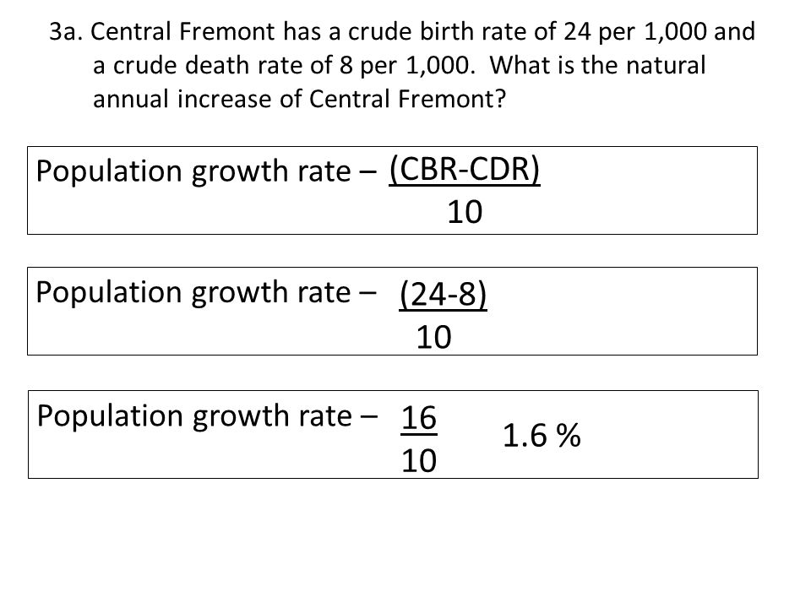

Members v Grand Rush Index

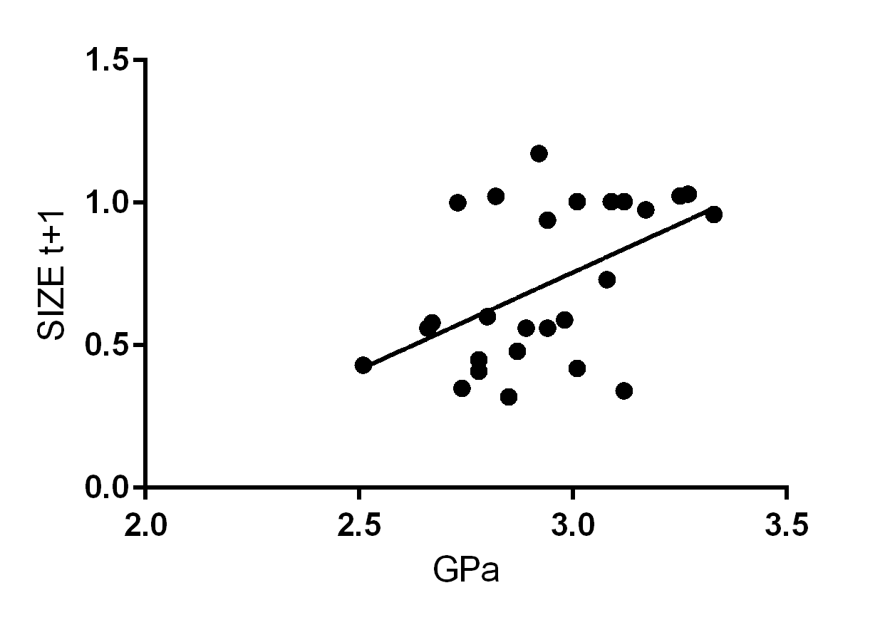
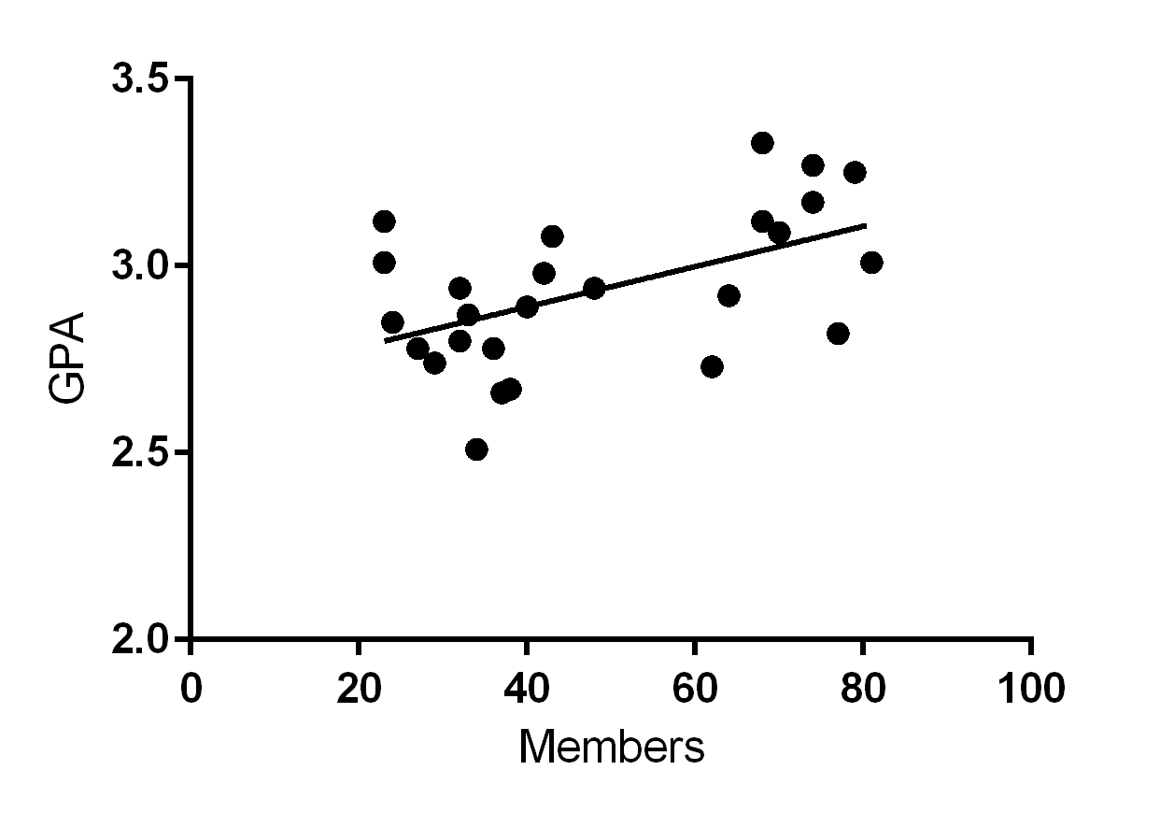

 |  |  |  |  |  |  |  |  |  |  |  |  |  |  |  |  |  |  |  |  |  |  |  |  |  |  |  |  |  |  |  |  |  |  |  |  |  |  |  |  |  |  |  |  |  |  |  |  |  |  |  |  |  | Goodness of Fit
 |  |  |  |  |  |  |  |  |  |  |  |  |  |  |  |  |  |  |  |  |  |  |  |  |  |  |  |  |  |  |  |  |  |  |  |  |  |  |  |  |  |  |  |  |  |  |  |  |  |  |  |  |  | R square
 |  |  |  |  |  |  |  |  |  |  |  |  |  |  |  |  |  |  |  |  |  |  |  |  |  |  |  |  |  |  |  |  |  |  |  |  |  |  |  |  |  |  |  |  |  |  |  |  |  |  |  |  |  | Sy.x
 |  |  |  |  |  |  |  |  |  |  |  |  |  |  |  |  |  |  |  |  |  |  |  |  |  |  |  |  |  |  |  |  |  |  |  |  |  |  |  |  |  |  |  |  |  |  |  |  |  |  |  |  |  | 0.2513
 |  |  |  |  |  |  |  |  |  |  |  |  |  |  |  |  |  |  |  |  |  |  |  |  |  |  |  |  |  |  |  |  |  |  |  |  |  |  |  |  |  |  |  |  |  |  |  |  |  |  |  |  |  | 0.2464
 |  |  |  |  |  |  |  |  |  |  |  |  |  |  |  |  |  |  |  |  |  |  |  |  |  |  |  |  |  |  |  |  |  |  |  |  |  |  |  |  |  |  |  |  |  |  |  |  |  |  |  |  |  | Is slope significantly non-zero?
 |  |  |  |  |  |  |  |  |  |  |  |  |  |  |  |  |  |  |  |  |  |  |  |  |  |  |  |  |  |  |  |  |  |  |  |  |  |  |  |  |  |  |  |  |  |  |  |  |  |  |  |  |  | F
 |  |  |  |  |  |  |  |  |  |  |  |  |  |  |  |  |  |  |  |  |  |  |  |  |  |  |  |  |  |  |  |  |  |  |  |  |  |  |  |  |  |  |  |  |  |  |  |  |  |  |  |  |  | DFn,DFd
 |  |  |  |  |  |  |  |  |  |  |  |  |  |  |  |  |  |  |  |  |  |  |  |  |  |  |  |  |  |  |  |  |  |  |  |  |  |  |  |  |  |  |  |  |  |  |  |  |  |  |  |  |  | P Value
 |  |  |  |  |  |  |  |  |  |  |  |  |  |  |  |  |  |  |  |  |  |  |  |  |  |  |  |  |  |  |  |  |  |  |  |  |  |  |  |  |  |  |  |  |  |  |  |  |  |  |  |  |  | Deviation from horizontal?
 |  |  |  |  |  |  |  |  |  |  |  |  |  |  |  |  |  |  |  |  |  |  |  |  |  |  |  |  |  |  |  |  |  |  |  |  |  |  |  |  |  |  |  |  |  |  |  |  |  |  |  |  |  | 8.058
 |  |  |  |  |  |  |  |  |  |  |  |  |  |  |  |  |  |  |  |  |  |  |  |  |  |  |  |  |  |  |  |  |  |  |  |  |  |  |  |  |  |  |  |  |  |  |  |  |  |  |  |  |  | 1,24
 |  |  |  |  |  |  |  |  |  |  |  |  |  |  |  |  |  |  |  |  |  |  |  |  |  |  |  |  |  |  |  |  |  |  |  |  |  |  |  |  |  |  |  |  |  |  |  |  |  |  |  |  |  | 0.0091
 |  |  |  |  |  |  |  |  |  |  |  |  |  |  |  |  |  |  |  |  |  |  |  |  |  |  |  |  |  |  |  |  |  |  |  |  |  |  |  |  |  |  |  |  |  |  |  |  |  |  |  |  |  | Significant

 |  |  |  |  |  |  |  |  |  |  |  |  |  |  |  |  |  |  |  |  |  |  |  |  |  |  |  |  |  |  |  |  |  |  |  |  |  |  |  |  |  |  |  |  |  |  |  |  |  |  |  |  |  |  |  |  |  |  |  |  | Is slope significantly non-zero?
 |  |  |  |  |  |  |  |  |  |  |  |  |  |  |  |  |  |  |  |  |  |  |  |  |  |  |  |  |  |  |  |  |  |  |  |  |  |  |  |  |  |  |  |  |  |  |  |  |  |  |  |  |  |  |  |  |  |  |  |  | F
 |  |  |  |  |  |  |  |  |  |  |  |  |  |  |  |  |  |  |  |  |  |  |  |  |  |  |  |  |  |  |  |  |  |  |  |  |  |  |  |  |  |  |  |  |  |  |  |  |  |  |  |  |  |  |  |  |  |  |  |  | DFn,DFd
 |  |  |  |  |  |  |  |  |  |  |  |  |  |  |  |  |  |  |  |  |  |  |  |  |  |  |  |  |  |  |  |  |  |  |  |  |  |  |  |  |  |  |  |  |  |  |  |  |  |  |  |  |  |  |  |  |  |  |  |  | P Value
 |  |  |  |  |  |  |  |  |  |  |  |  |  |  |  |  |  |  |  |  |  |  |  |  |  |  |  |  |  |  |  |  |  |  |  |  |  |  |  |  |  |  |  |  |  |  |  |  |  |  |  |  |  |  |  |  |  |  |  |  | Deviation from horizontal?
 |  |  |  |  |  |  |  |  |  |  |  |  |  |  |  |  |  |  |  |  |  |  |  |  |  |  |  |  |  |  |  |  |  |  |  |  |  |  |  |  |  |  |  |  |  |  |  |  |  |  |  |  |  |  |  |  |  |  |  |  | 9.214
 |  |  |  |  |  |  |  |  |  |  |  |  |  |  |  |  |  |  |  |  |  |  |  |  |  |  |  |  |  |  |  |  |  |  |  |  |  |  |  |  |  |  |  |  |  |  |  |  |  |  |  |  |  |  |  |  |  |  |  |  | 1,24
 |  |  |  |  |  |  |  |  |  |  |  |  |  |  |  |  |  |  |  |  |  |  |  |  |  |  |  |  |  |  |  |  |  |  |  |  |  |  |  |  |  |  |  |  |  |  |  |  |  |  |  |  |  |  |  |  |  |  |  |  | 0.0057
 |  |  |  |  |  |  |  |  |  |  |  |  |  |  |  |  |  |  |  |  |  |  |  |  |  |  |  |  |  |  |  |  |  |  |  |  |  |  |  |  |  |  |  |  |  |  |  |  |  |  |  |  |  |  |  |  |  |  |  |  | Significant
 |  |  |  |  |  |  |  |  |  |  |  |  |  |  |  |  |  |  |  |  |  |  |  |  |  |  |  |  |  |  |  |  |  |  |  |  |  |  |  |  |  |  |  |  |  |  |  |  |  |  |  |  |  |  |  |  |  |  |  |  | Data
 |  |  |  |  |  |  |  |  |  |  |  |  |  |  |  |  |  |  |  |  |  |  |  |  |  |  |  |  |  |  |  |  |  |  |  |  |  |  |  |  |  |  |  |  |  |  |  |  |  |  |  |  |  |  |  |  |  |  |  |  | Number of XY pairs
 |  |  |  |  |  |  |  |  |  |  |  |  |  |  |  |  |  |  |  |  |  |  |  |  |  |  |  |  |  |  |  |  |  |  |  |  |  |  |  |  |  |  |  |  |  |  |  |  |  |  |  |  |  |  |  |  |  |  |  |  | Equation
 |  |  |  |  |  |  |  |  |  |  |  |  |  |  |  |  |  |  |  |  |  |  |  |  |  |  |  |  |  |  |  |  |  |  |  |  |  |  |  |  |  |  |  |  |  |  |  |  |  |  |  |  |  |  |  |  |  |  |  |  | 26
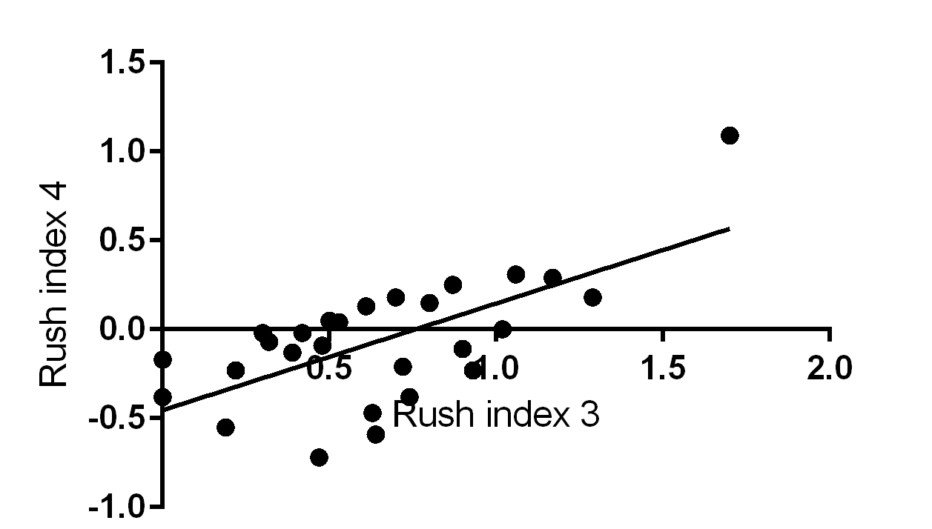
 |  |  |  |  |  |  |  |  |  |  |  |  |  |  |  |  |  |  |  |  |  |  |  |  |  |  |  |  |  |  |  |  |  |  |  |  |  |  |  |  |  |  |  |  |  |  |  |  |  |  |  |  |  |  |  |  |  |  |  |  | Y = 0.005388*X + 2.675

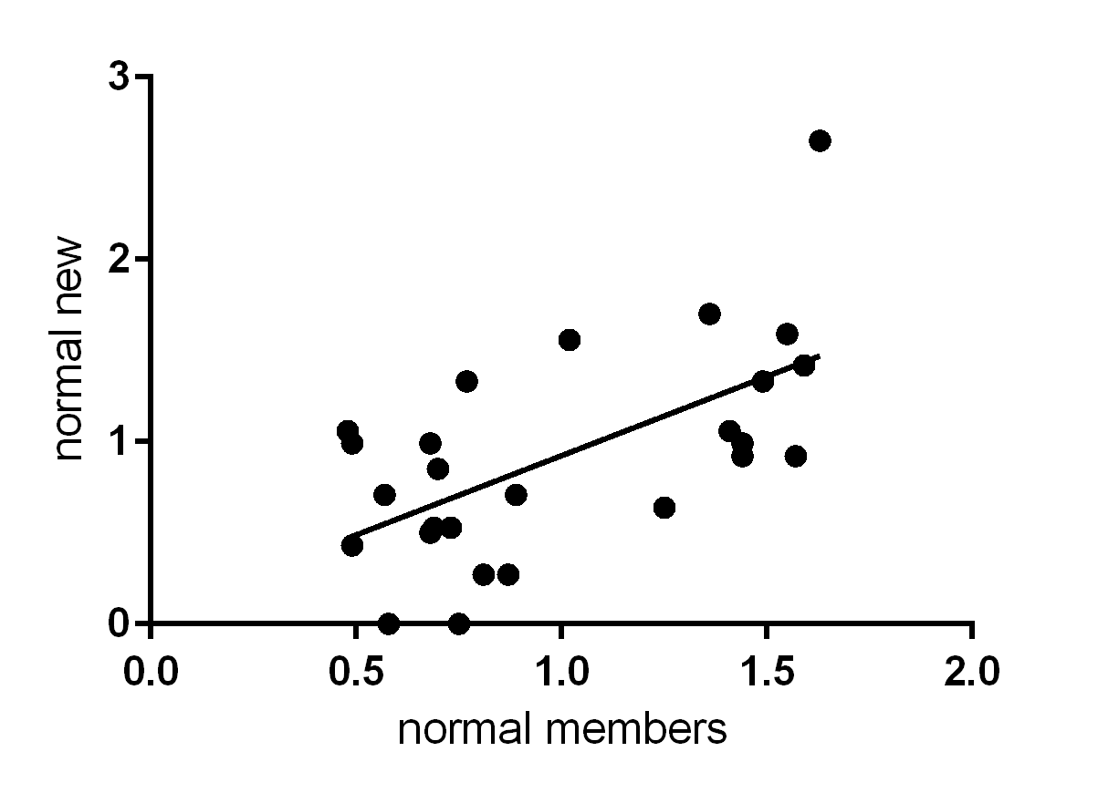

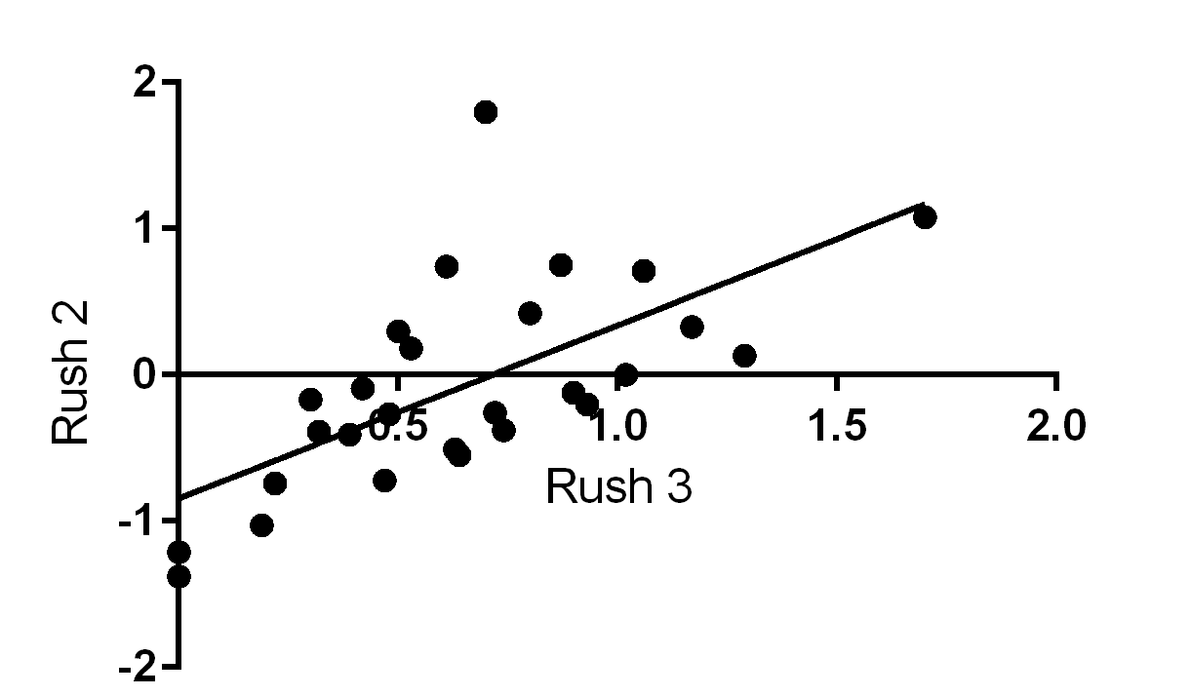

 |  |  |  |  |  |  |  |  |  |  |  |  |  |  |  |  |  |  |  |  |  |  |  |  |  |  |  |  |  |  |  |  |  |  |  |  |  |  |  |  |  |  |  |  |  |  |  |  |  |  |  |  |  |  | Goodness of Fit
 |  |  |  |  |  |  |  |  |  |  |  |  |  |  |  |  |  |  |  |  |  |  |  |  |  |  |  |  |  |  |  |  |  |  |  |  |  |  |  |  |  |  |  |  |  |  |  |  |  |  |  |  |  |  | R square
 |  |  |  |  |  |  |  |  |  |  |  |  |  |  |  |  |  |  |  |  |  |  |  |  |  |  |  |  |  |  |  |  |  |  |  |  |  |  |  |  |  |  |  |  |  |  |  |  |  |  |  |  |  |  | Sy.x
 |  |  |  |  |  |  |  |  |  |  |  |  |  |  |  |  |  |  |  |  |  |  |  |  |  |  |  |  |  |  |  |  |  |  |  |  |  |  |  |  |  |  |  |  |  |  |  |  |  |  |  |  |  |  | 0.1354
 |  |  |  |  |  |  |  |  |  |  |  |  |  |  |  |  |  |  |  |  |  |  |  |  |  |  |  |  |  |  |  |  |  |  |  |  |  |  |  |  |  |  |  |  |  |  |  |  |  |  |  |  |  |  | 0.2667
 |  |  |  |  |  |  |  |  |  |  |  |  |  |  |  |  |  |  |  |  |  |  |  |  |  |  |  |  |  |  |  |  |  |  |  |  |  |  |  |  |  |  |  |  |  |  |  |  |  |  |  |  |  |  | Is slope significantly non-zero?
 |  |  |  |  |  |  |  |  |  |  |  |  |  |  |  |  |  |  |  |  |  |  |  |  |  |  |  |  |  |  |  |  |  |  |  |  |  |  |  |  |  |  |  |  |  |  |  |  |  |  |  |  |  |  | F
 |  |  |  |  |  |  |  |  |  |  |  |  |  |  |  |  |  |  |  |  |  |  |  |  |  |  |  |  |  |  |  |  |  |  |  |  |  |  |  |  |  |  |  |  |  |  |  |  |  |  |  |  |  |  | DFn,DFd
 |  |  |  |  |  |  |  |  |  |  |  |  |  |  |  |  |  |  |  |  |  |  |  |  |  |  |  |  |  |  |  |  |  |  |  |  |  |  |  |  |  |  |  |  |  |  |  |  |  |  |  |  |  |  | P Value
 |  |  |  |  |  |  |  |  |  |  |  |  |  |  |  |  |  |  |  |  |  |  |  |  |  |  |  |  |  |  |  |  |  |  |  |  |  |  |  |  |  |  |  |  |  |  |  |  |  |  |  |  |  |  | Deviation from horizontal?
 |  |  |  |  |  |  |  |  |  |  |  |  |  |  |  |  |  |  |  |  |  |  |  |  |  |  |  |  |  |  |  |  |  |  |  |  |  |  |  |  |  |  |  |  |  |  |  |  |  |  |  |  |  |  | 3.76
 |  |  |  |  |  |  |  |  |  |  |  |  |  |  |  |  |  |  |  |  |  |  |  |  |  |  |  |  |  |  |  |  |  |  |  |  |  |  |  |  |  |  |  |  |  |  |  |  |  |  |  |  |  |  | 1,24
 |  |  |  |  |  |  |  |  |  |  |  |  |  |  |  |  |  |  |  |  |  |  |  |  |  |  |  |  |  |  |  |  |  |  |  |  |  |  |  |  |  |  |  |  |  |  |  |  |  |  |  |  |  |  | 0.0643
 |  |  |  |  |  |  |  |  |  |  |  |  |  |  |  |  |  |  |  |  |  |  |  |  |  |  |  |  |  |  |  |  |  |  |  |  |  |  |  |  |  |  |  |  |  |  |  |  |  |  |  |  |  |  | Not Significant

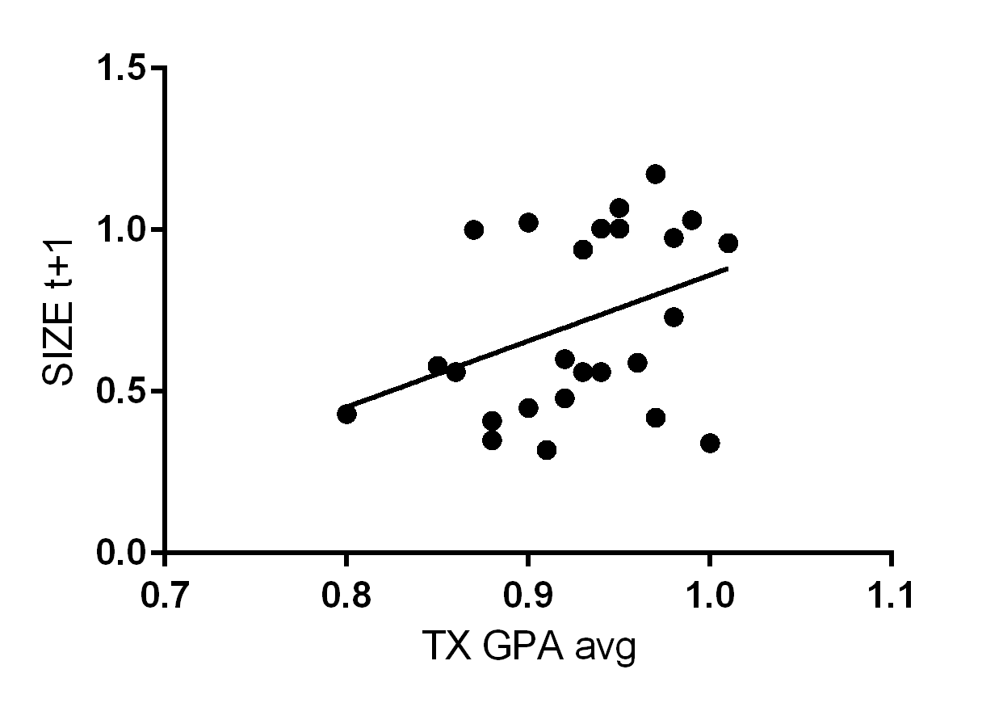

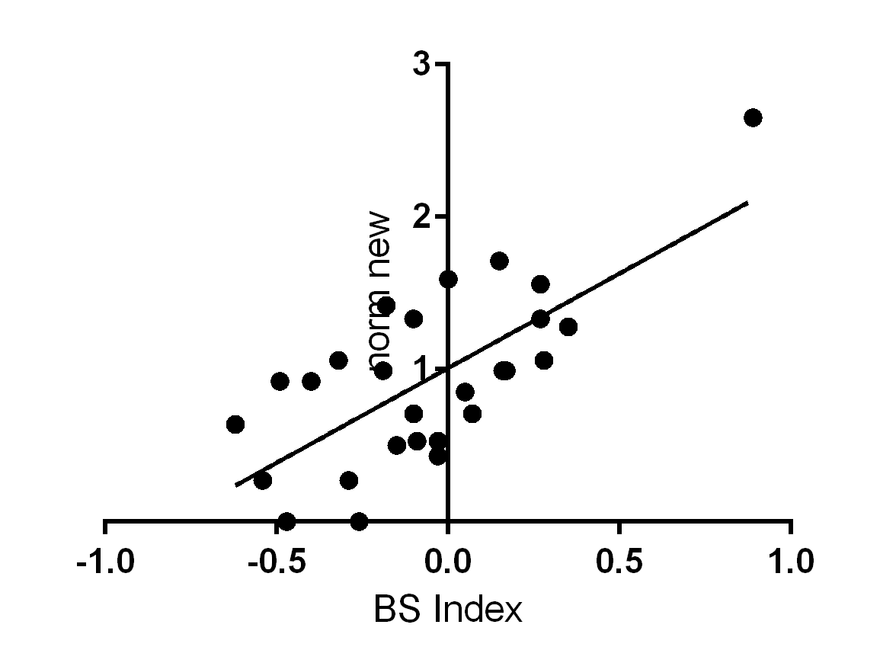
 |  |  |  |  |  |  |  |  |  |  |  |  |  |  |  |  |  |  |  |  |  | Goodness of Fit
 |  |  |  |  |  |  |  |  |  |  |  |  |  |  |  |  |  |  |  |  |  | R square
 |  |  |  |  |  |  |  |  |  |  |  |  |  |  |  |  |  |  |  |  |  | Sy.x
 |  |  |  |  |  |  |  |  |  |  |  |  |  |  |  |  |  |  |  |  |  | 0.4979
 |  |  |  |  |  |  |  |  |  |  |  |  |  |  |  |  |  |  |  |  |  | 0.4173
 |  |  |  |  |  |  |  |  |  |  |  |  |  |  |  |  |  |  |  |  |  | Is slope significantly non-zero?
 |  |  |  |  |  |  |  |  |  |  |  |  |  |  |  |  |  |  |  |  |  | F
 |  |  |  |  |  |  |  |  |  |  |  |  |  |  |  |  |  |  |  |  |  | DFn,DFd
 |  |  |  |  |  |  |  |  |  |  |  |  |  |  |  |  |  |  |  |  |  | P Value
 |  |  |  |  |  |  |  |  |  |  |  |  |  |  |  |  |  |  |  |  |  | Deviation from horizontal?
 |  |  |  |  |  |  |  |  |  |  |  |  |  |  |  |  |  |  |  |  |  | 24.79
 |  |  |  |  |  |  |  |  |  |  |  |  |  |  |  |  |  |  |  |  |  | 1,25
 |  |  |  |  |  |  |  |  |  |  |  |  |  |  |  |  |  |  |  |  |  | < 0.0001
 |  |  |  |  |  |  |  |  |  |  |  |  |  |  |  |  |  |  |  |  |  | Significant

 |  |  |  | Rush 1 |  |  |  |  |  |  |  |  |  |  |  |  |  |  |  | RUSH 2 |  |  |  |  |  |  |  |  |  |  |  |  |  |  |  |  | RSUH 3 |  | Rush 4 |  |  |  |  |  |  |  | GRI (RI3mod) vs Norm New

 |  |  |  | Goodness of Fit |  |  |  |  |  |  |  |  |  |  |  |  |  |  |  | Goodness of Fit |  |  |  |  |  |  |  |  |  |  |  |  |  |  |  |  | Goodness of Fit |  | Goodness of Fit |  |  |  |  |  |  |  | Goodness of Fit
 |  |  |  | R square |  |  |  |  |  |  |  |  |  |  |  |  |  |  |  | R square |  |  |  |  |  |  |  |  |  |  |  |  |  |  |  |  | R square |  | R square |  |  |  |  |  |  |  | R square
 |  |  |  | Sy.x |  |  |  |  |  |  |  |  |  |  |  |  |  |  |  | Sy.x |  |  |  |  |  |  |  |  |  |  |  |  |  |  |  |  | Sy.x |  | Sy.x |  |  |  |  |  |  |  | Sy.x
 |  |  |  | 0.4565 |  |  |  |  |  |  |  |  |  |  |  |  |  |  |  | 0.4386 |  |  |  |  |  |  |  |  |  |  |  |  |  |  |  |  | 0.5197 |  | 0.4458 |  |  |  |  |  |  |  | 0.2156
 |  |  |  | 0.4341 |  |  |  |  |  |  |  |  |  |  |  |  |  |  |  | 0.4412 |  |  |  |  |  |  |  |  |  |  |  |  |  |  |  |  | 0.4081 |  | 0.4384 |  |  |  |  |  |  |  | 0.5216
 |  |  |  | Is slope significantly non-zero? |  |  |  |  |  |  |  |  |  |  |  |  |  |  |  | Is slope significantly non-zero? |  |  |  |  |  |  |  |  |  |  |  |  |  |  |  |  | Is slope significantly non-zero? |  | Is slope significantly non-zero? |  |  |  |  |  |  |  | Is slope significantly non-zero?
 |  |  |  | F |  |  |  |  |  |  |  |  |  |  |  |  |  |  |  | F |  |  |  |  |  |  |  |  |  |  |  |  |  |  |  |  | F |  | F |  |  |  |  |  |  |  | F
 |  |  |  | DFn,DFd |  |  |  |  |  |  |  |  |  |  |  |  |  |  |  | DFn,DFd |  |  |  |  |  |  |  |  |  |  |  |  |  |  |  |  | DFn,DFd |  | DFn,DFd |  |  |  |  |  |  |  | DFn,DFd
 |  |  |  | P Value |  |  |  |  |  |  |  |  |  |  |  |  |  |  |  | P Value |  |  |  |  |  |  |  |  |  |  |  |  |  |  |  |  | P Value |  | P Value |  |  |  |  |  |  |  | P Value
 |  |  |  | Deviation from horizontal? |  |  |  |  |  |  |  |  |  |  |  |  |  |  |  | Deviation from horizontal? |  |  |  |  |  |  |  |  |  |  |  |  |  |  |  |  | Deviation from horizontal? |  | Deviation from horizontal? |  |  |  |  |  |  |  | Deviation from horizontal?
 |  |  |  | 21 |  |  |  |  |  |  |  |  |  |  |  |  |  |  |  | 19.53 |  |  |  |  |  |  |  |  |  |  |  |  |  |  |  |  | 27.05 |  | 20.11 |  |  |  |  |  |  |  | 6.87
 |  |  |  | 1,25 |  |  |  |  |  |  |  |  |  |  |  |  |  |  |  | 1,25 |  |  |  |  |  |  |  |  |  |  |  |  |  |  |  |  | 1,25 |  | 1,25 |  |  |  |  |  |  |  | 1,25
 |  |  |  | 0.0001 |  |  |  |  |  |  |  |  |  |  |  |  |  |  |  | 0.0002 |  |  |  |  |  |  |  |  |  |  |  |  |  |  |  |  | < 0.0001 |  | 0.0001 |  |  |  |  |  |  |  | 0.0147
 |  |  |  | Significant |  |  |  |  |  |  |  |  |  |  |  |  |  |  |  | Significant |  |  |  |  |  |  |  |  |  |  |  |  |  |  |  |  | Significant |  | Significant |  |  |  |  |  |  |  | Significant
 |  |  |  |  |  |  |  |  |  |  |  |  |  |  |  |  |  |  |  |  |  |  |  |  |  |  |  |  |  |  |  |  |  |  |  |  |  |  |  |  |  |  |  |  |  |  | Data

